MICHAEL KORS
MICHAEL KORS
PHOTOS | REF | CAT | GENDERS | NAMES | SIZE | COLOR | QTY | RETAIL | TOTAL | MADE IN | COMPO | Loc | SKU | EAN
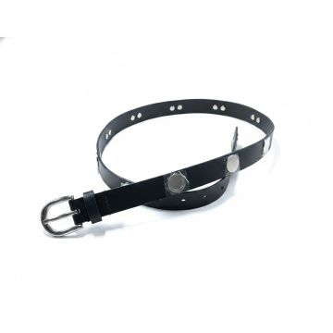 | 551723-BLACK | Belts | Women | Michael Kors Studded Black Leather Belt | L | BLACK | 1 | 95.00 € | 95.00 € | CN | 100% COW LEATHER | 1,205 | 551723-BLACK-L | 0888698782961
 | 551723-BLACK | Belts | Women | Michael Kors Studded Black Leather Belt | XS | BLACK | 1 | 95.00 € | 95.00 € | CN | 100% COW LEATHER | 1,205 | 551723-BLACK-XS | 0888698782930
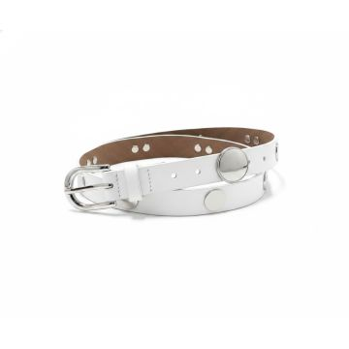 | 551723-WHITE | Belts | Women | Michael Kors White Leather Studded Skinny Belt | M | WHITE | 1 | 95.00 € | 95.00 € | CN | 100% COW LEATHER | 1,205 | 551723-WHITE-M | 0888698783395
 | 551723-WHITE | Belts | Women | Michael Kors White Leather Studded Skinny Belt | S | WHITE | 1 | 95.00 € | 95.00 € | CN | 100% COW LEATHER | 1,205 | 551723-WHITE-S | 0888698783388
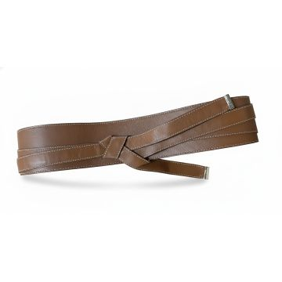 | 551731-LUGGAGE | Belts | Women | Michael Kors Wide Wrap Obi Belt Luggage | M_L | LUGGAGE | 4 | 110.00 € | 440.00 € | IN | 100% COW LEATHER | 1,205 | 551731-LUGGAGE-M_L | 0888698777905
 | 551731-LUGGAGE | Belts | Women | Michael Kors Wide Wrap Obi Belt Luggage | S_M | LUGGAGE | 7 | 110.00 € | 770.00 € | IN | 100% COW LEATHER | 1,205 | 551731-LUGGAGE-S_M | 0888698777899
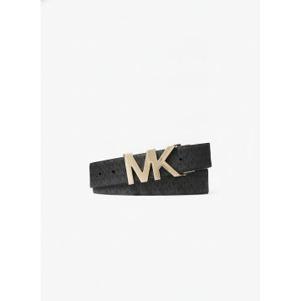 | 558732-BLACK | Belts | Women | Michael Kors MK Logo Buckle Belt Black | M | BLACK | 50 | 179.00 € | 8,950.00 € | CINA | 100% EMBOSSED GOAT L EATHER | 1,205 | 558732-BLACK-M | 0722947434730
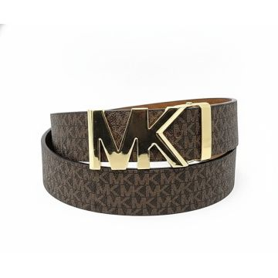 | 558732-BROWN_LUGGAGE | Belts | Women | Michael Kors MK Logo Buckle Belt Brown Luggage | S | BROWN_LUGGAGE | 50 | 179.00 € | 8,950.00 € | CINA | 100% EMBOSSED GOAT L EATHER | 1,205 | 558732-BROWN_LUGGAGE-S | 0722947434679
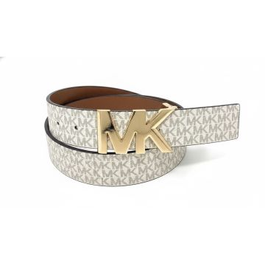 | 558732-VANILLA_LUGGAGE | Belts | Women | Michael Kors MK Logo Reversible Belt Vanilla Luggage | M | Vanilla_Luggage | 70 | 179.00 € | 12,530.00 € | CINA | 100% EMBOSSED GOAT L EATHER | 1,205 | 558732-VANILLA_LUGGAGE-M | 0722947434594
 | 558732-VANILLA_LUGGAGE | Belts | Women | Michael Kors MK Logo Reversible Belt Vanilla Luggage | S | Vanilla_Luggage | 70 | 179.00 € | 12,530.00 € | CINA | 100% EMBOSSED GOAT L EATHER | 1,205 | 558732-VANILLA_LUGGAGE-S | 0722947434600
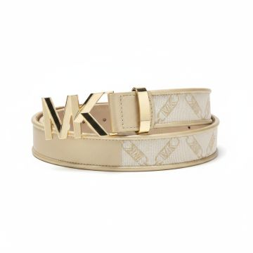 | 558897-GOLD | Belts | Women | Michael Kors MK Logo Reversible Belt Gold Cream | S | GOLD | 2 | 139.00 € | 278.00 € | BD | 100% COW LEATHER | 1,205 | 558897-GOLD-S | 0722947636868
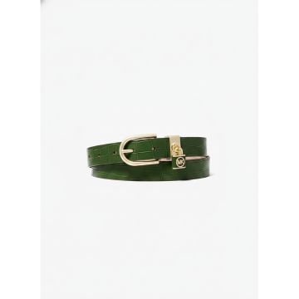 | 558929-2508 | Belts | Women | Michael Kors slim green croc-embossed leather belt | M |  | 1 | 125.00 € | 125.00 € |  |  |  | 558929-2508-M | 0722947682025
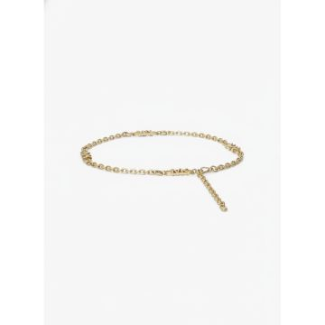 | 558961-GOLD | Belts | Women | Michael Kors Gold Chain Belt | L_XL | GOLD | 162 | 115.00 € | 18,630.00 € | CN | 100% COW LEATHER | 1,253 | 558961-GOLD-L_XL | 0722947690235
 | 558961-GOLD | Belts | Women | Michael Kors Gold Chain Belt | S_M | GOLD | 268 | 115.00 € | 30,820.00 € | CN | 100% COW LEATHER | 1,253 | 558961-GOLD-S_M | 0722947690242
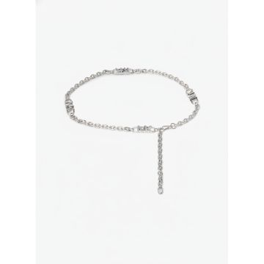 | 558961-SILVER | Belts | Women | Michael Kors Silver Chain Belt Roman Numerals | L_XL | SILVER | 165 | 115.00 € | 18,975.00 € | CN | 100% COW LEATHER | 1,253 | 558961-SILVER-L_XL | 0722947690068
 | 558961-SILVER | Belts | Women | Michael Kors Silver Chain Belt Roman Numerals | S_M | SILVER | 308 | 115.00 € | 35,420.00 € | CN | 100% COW LEATHER | 1,253 | 558961-SILVER-S_M | 0722947690075
 | 558963-BROWN_LUGGAGE | Belts | Women | Michael Kors MK Logo Buckle Belt Brown Luggage | XL | BROWN_LUGGAGE | 37 | 119.00 € | 4,403.00 € | Vietnam | 100% EMBOSSED GOAT L EATHER | 1,205 | 558963-BROWN_LUGGAGE-XL | 0722947682599
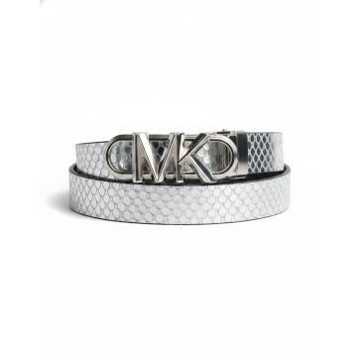 | 558992-GUNMETAL | Belts | Women | Michael Kors MK Logo Buckle Silver Snakeskin Belt | S | Gunmetal | 1 | 115.00 € | 115.00 € | CN | 100% COW LEATHER | 1,205 | 558992-21-S | 0722947690273
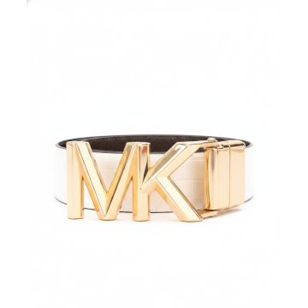 | 559011-OPTIC WHITE | Belts | Women | Michael Kors MK Logo Buckle Belt Optic White | L | OPTIC WHITE | 85 | 119.00 € | 10,115.00 € | Vietnam | 100% EMBOSSED GOAT L EATHER | 1,205 | 559011-OPTIC WHITE-L | 0722947748202
 | 559011-OPTIC WHITE | Belts | Women | Michael Kors MK Logo Buckle Belt Optic White | M | OPTIC WHITE | 133 | 119.00 € | 15,827.00 € | Vietnam | 100% EMBOSSED GOAT L EATHER | 1,205 | 559011-OPTIC WHITE-M | 0722947748219
 | 559011-OPTIC WHITE | Belts | Women | Michael Kors MK Logo Buckle Belt Optic White | S | OPTIC WHITE | 125 | 119.00 € | 14,875.00 € | Vietnam | 100% EMBOSSED GOAT L EATHER | 1,205 | 559011-OPTIC WHITE-S | 0722947748226
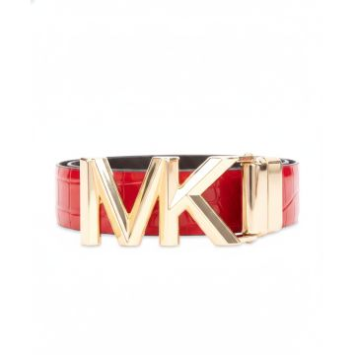 | 559011-SPICED CORAL | Belts | Women | Michael Kors MK Logo Buckle Red Croc Belt | L | SPICED CORAL | 23 | 119.00 € | 2,737.00 € | Vietnam | 100% EMBOSSED GOAT L EATHER | 1,205 | 559011-SPICED CORAL-L | 0722947748363
 | 559011-SPICED CORAL | Belts | Women | Michael Kors MK Logo Buckle Red Croc Belt | M | SPICED CORAL | 56 | 119.00 € | 6,664.00 € | Vietnam | 100% EMBOSSED GOAT L EATHER | 1,205 | 559011-SPICED CORAL-M | 0722947748370
 | 559011-SPICED CORAL | Belts | Women | Michael Kors MK Logo Buckle Red Croc Belt | S | SPICED CORAL | 88 | 119.00 € | 10,472.00 € | Vietnam | 100% EMBOSSED GOAT L EATHER | 1,205 | 559011-SPICED CORAL-S | 0722947748387
 | 559011-SPICED CORAL | Belts | Women | Michael Kors MK Logo Buckle Red Croc Belt | XL | SPICED CORAL | 2 | 119.00 € | 238.00 € | Vietnam | 100% EMBOSSED GOAT L EATHER | 1,205 | 559011-SPICED CORAL-XL | 0722947748394
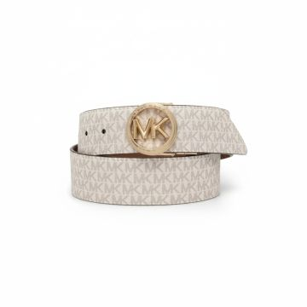 | 559033-VANILLA_LUGGAGE | Belts | Women | Michael Kors MK Logo Belt Vanilla Luggage | XL | Vanilla_Luggage | 11 | 131.15 € | 1,442.65 € | Vietnam | 100% EMBOSSED GOAT L EATHER | 1,205 | 559033-VANILLA_LUGGAGE-XL | 0722947749155
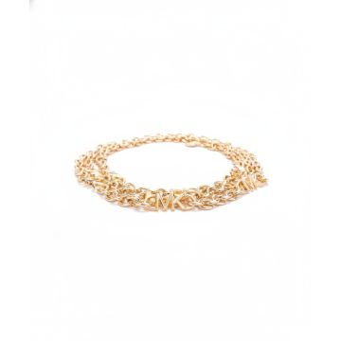 | 559035-GOLD | Belts | Women | Michael Kors MK Logo Chain Belt Gold | M_L | GOLD | 21 | 129.00 € | 2,709.00 € | CINA | 100% EMBOSSED GOAT L EATHER | 1,205 | 559035-GOLD-M_L | 0722947753237
 | 559035-GOLD | Belts | Women | Michael Kors MK Logo Chain Belt Gold | S_M | GOLD | 165 | 129.00 € | 21,285.00 € | CINA | 100% EMBOSSED GOAT L EATHER | 1,205 | 559035-GOLD-S_M | 0722947753244
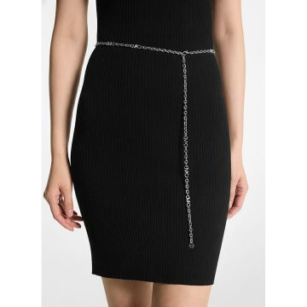 | 559035-SILVER | Belts | Women | Michael Kors MK Logo Chain Belt Silver | M_L | SILVER | 22 | 129.00 € | 2,838.00 € | CINA | 100% EMBOSSED GOAT L EATHER | 1,205 | 559035-SILVER-M_L | 0722947753213
 | 559035-SILVER | Belts | Women | Michael Kors MK Logo Chain Belt Silver | S_M | SILVER | 130 | 129.00 € | 16,770.00 € | CINA | 100% EMBOSSED GOAT L EATHER | 1,205 | 559035-SILVER-S_M | 0722947753220
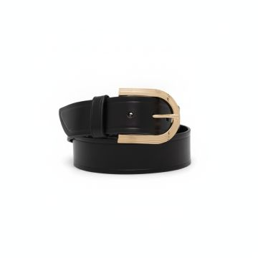 | 559058-BLACK_GOLD | Belts | Women | Michael Kors Black Leather Belt Gold Buckle | L | Black_Gold | 31 | 129.00 € | 3,999.00 € | India | 100% EMBOSSED GOAT L EATHER | 1,205 | 559058-BLACK_GOLD-L | 0722947749889
 | 559058-BLACK_GOLD | Belts | Women | Michael Kors Black Leather Belt Gold Buckle | M | Black_Gold | 70 | 129.00 € | 9,030.00 € | India | 100% EMBOSSED GOAT L EATHER | 1,205 | 559058-BLACK_GOLD-M | 0722947749896
 | 559058-BLACK_GOLD | Belts | Women | Michael Kors Black Leather Belt Gold Buckle | S | Black_Gold | 108 | 129.00 € | 13,932.00 € | India | 100% EMBOSSED GOAT L EATHER | 1,205 | 559058-BLACK_GOLD-S | 0722947749902
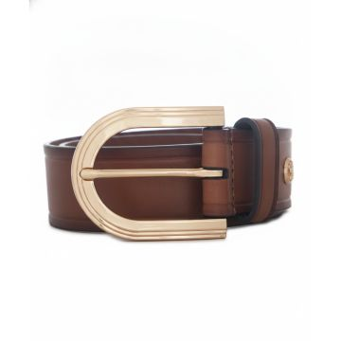 | 559058-LUGGAGE | Belts | Women | Michael Kors Wide Leather Belt Luggage Gold Buckle | L | LUGGAGE | 80 | 129.00 € | 10,320.00 € | India | 100% EMBOSSED GOAT L EATHER | 1,205 | 559058-LUGGAGE-L | 0722947750083
 | 559058-LUGGAGE | Belts | Women | Michael Kors Wide Leather Belt Luggage Gold Buckle | M | LUGGAGE | 81 | 129.00 € | 10,449.00 € | India | 100% EMBOSSED GOAT L EATHER | 1,205 | 559058-LUGGAGE-M | 0722947750090
 | 559058-LUGGAGE | Belts | Women | Michael Kors Wide Leather Belt Luggage Gold Buckle | S | LUGGAGE | 110 | 129.00 € | 14,190.00 € | India | 100% EMBOSSED GOAT L EATHER | 1,205 | 559058-LUGGAGE-S | 0722947750106
 | 559058-LUGGAGE | Belts | Women | Michael Kors Wide Leather Belt Luggage Gold Buckle | XL | LUGGAGE | 54 | 129.00 € | 6,966.00 € | India | 100% EMBOSSED GOAT L EATHER | 1,205 | 559058-LUGGAGE-XL | 0722947750113
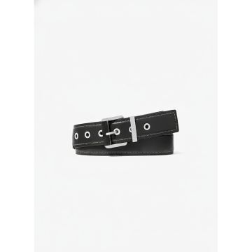 | 559097-BLACK_SILVER | Belts | Women | Michael Kors Grommet Leather Belt Black Silver | M | BLACK | 54 | 150.00 € | 8,100.00 € | CN | 100% COW LEATHER | 1,253 | 559097-BLACK_SILVER-M | 0722947787171
 | 559097-BLACK_SILVER | Belts | Women | Michael Kors Grommet Leather Belt Black Silver | S | BLACK | 72 | 150.00 € | 10,800.00 € | CN | 100% COW LEATHER | 1,253 | 559097-BLACK_SILVER-S | 0722947787188
 | 559116-SILVER | Belts | Women | Michael Kors Reversible Metallic Belt Silver | M | SILVER | 28 | 115.00 € | 3,220.00 € | CN | 100% COW LEATHER | 110 | 559116-SILVER-M | 0722947788840
 | 559118-40 | Belts | Women | Michael Kors Pavé Logo Chain Belt Silver | S_M | SILVER | 57 | 115.00 € | 6,555.00 € | CN | 100% COW LEATHER | 140 | 559118-40-S_M | 0722947789144
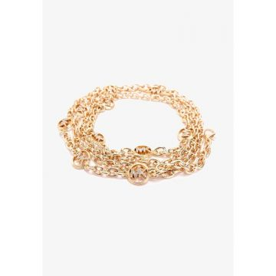 | 559118-705 | Belts | Women | Michael Kors Mini Chain Belt Gold | S_M | GOLD | 33 | 115.00 € | 3,795.00 € | CN | 100% COW LEATHER | 140 | 559118-705-S_M | 0722947789168
 | 559132-LUGGAGE | Belts | Women | BELT | S | LUGGAGE | 78 | 79.00 € | 6,162.00 € | CN | 100% COW LEATHER | 1,205 | 559132-LUGGAGE-S | 0722947803642
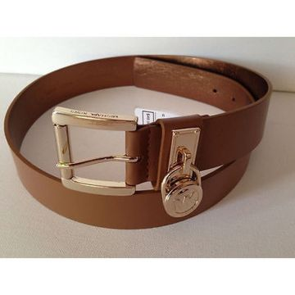 | 559135T-230 | Belts | Women | Michael Kors Hamilton Padlock Leather Belt Brown | M | BROWN | 47 | 139.00 € | 6,533.00 € | CN | 100% COW LEATHER | 150 | 559135T-230-M | 0722947807763
 | 559135T-41 | Belts | Women | Michael Kors Leather Belt Black | S | BLACK | 12 | 139.00 € | 1,668.00 € | CN | 100% COW LEATHER | 150 | 559135T-41-S | 0722947807824
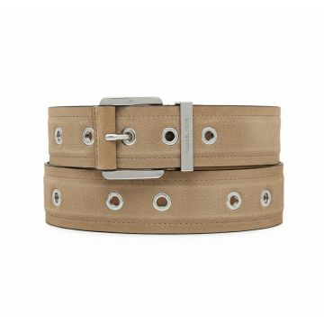 | 559145-CAMEL | Belts | Women | Michael Kors Grommet Suede Belt Camel | S | Beige | 23 | 150.00 € | 3,450.00 € | CN | 100% COW LEATHER | 84 | 559145-CAMEL-S | 0722947801990
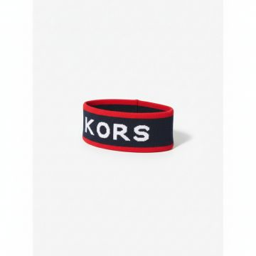 | JR5003RF84-MD NIGHT BLUE | Hair accessories | Women | Michael Kors Logo Knit Headband Blue | One Size | Blue | 6 | 75.00 € | 450.00 € | CN | 53% COTTON, 40% RECY CLED VISCOSE, 7% NYL ON | 113 | JR5003RF84-MD NIGHT BLUE-OS | 0197853288027
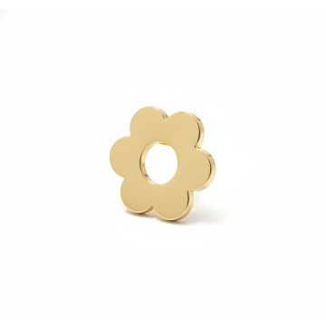 | 32S8TPZK2U-GOLD | Jewels | Women | Michael Kors Gold Flower Shape Pin | One Size | GOLD | 1 | 20.00 € | 20.00 € | VN | 52% PU 48 % PA | 1,205 | 32S8TPZK2U-GOLD-OS | 0191935699466
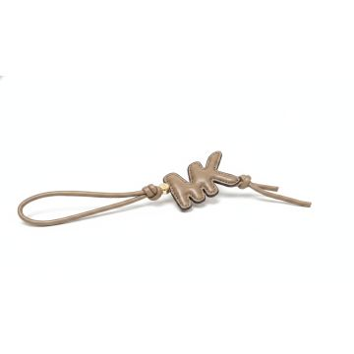 | 32F5GF3K6O-HUSK | Keyring | Women | Michael Kors Keyring | One Size | Green | 249 | 50.00 € | 12,450.00 € | Philippines | 100% LAMB LEATHER | 1,205 | 32F5GF3K6O-HUSK-OS | 0197853977679
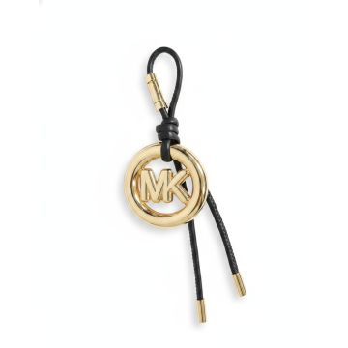 | 32F5GF4K2Y-CHOCOLATE | Keyring | Women | Michael Kors MK Logo Gold Charm Keychain Black | One Size | BROWN | 38 | 55.00 € | 2,090.00 € | Philippines | 100% COW LEATHER | 1,205 | 32F5GF4K2Y-CHOCOLATE-OS | 0197853977808
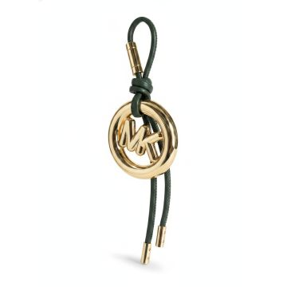 | 32F5GF4K2Y-IVY | Keyring | Women | Michael Kors MK Logo Gold Keychain Charm Green | One Size | BROWN | 114 | 55.00 € | 6,270.00 € | Philippines | 100% COW LEATHER | 1,205 | 32F5GF4K2Y-IVY-OS | 0197853977792
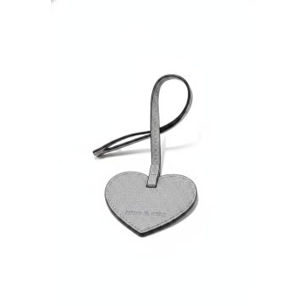 | 32H5SAXK1L-PEARL GREY | Keyring | Women | Michael Kors Heart Charm Keychain Pearl Grey | One Size | Grey | 1 | 30.00 € | 30.00 € | CN | 100% COW LEATHER | 1,205 | 32H5SAXK1L-PEARL GREY-OS | 0889154907904
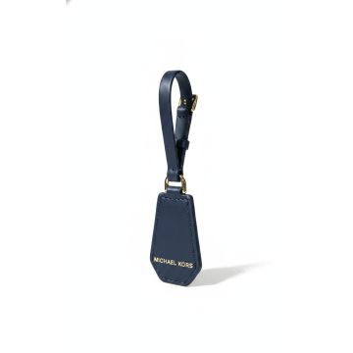 | 32H7GF3K4L-ADMIRAL | Keyring | Women | Michael Kors Navy Blue Leather Luggage Tag Keychain | One Size | Blue | 18 | 30.00 € | 540.00 € | CN | 100% COW LEATHER | 1,205 | 32H7GF3K4L-ADMIRAL-OS | 0191935091505
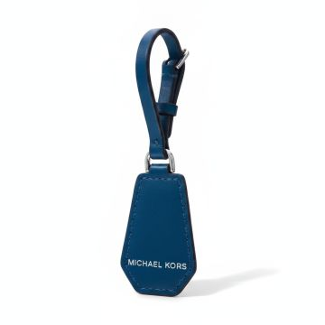 | 32H7SF3K4L-ADMIRAL | Keyring | Women | Michael Kors Keyring | One Size | Blue | 3 | 30.00 € | 90.00 € | VN | 100% COW LEATHER | 1,205 | 32H7SF3K4L-ADMIRAL-OS | 0191935102256
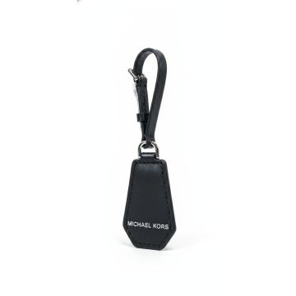 | 32H7SF3K4L-BLACK | Keyring | Women | Michael Kors Black Leather Keychain Bag Charm | One Size | BLACK | 5 | 30.00 € | 150.00 € | VN | 100% COW LEATHER | 1,205 | 32H7SF3K4L-BLACK-OS | 0191935102232
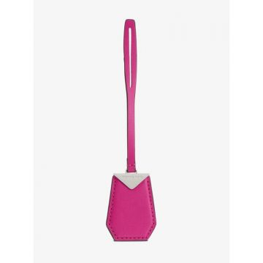 | 32H9SF3N0L-CHAMBRAY | Keyring | Women | Michael Kors Leather Luggage Tag Pink | One Size | PINK | 2 | 65.00 € | 130.00 € | VN | 100% COW LEATHER | 117 | 32H9SF3N0L-CHAMBRAY-OS | 0194900566268
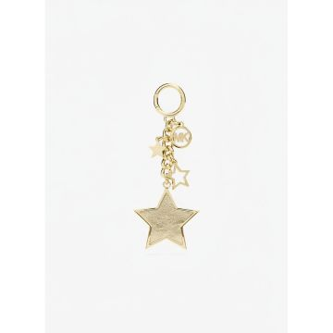 | 35F5GGFK7M-PALE GOLD | Keyring | Women | Michael Kors Star Charm Keychain Gold | One Size | PALE GOLD | 631 | 95.00 € | 59,945.00 € | Philippines | 60% POLYURETHANE, 40 % POLYESTER | 1,205 | 35F5GGFK7M-PALE GOLD-OS | 0197853805101
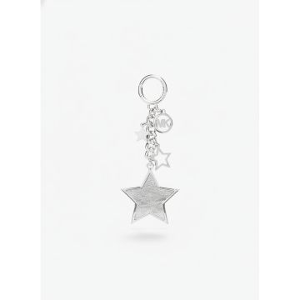 | 35F5SGFK7M-SILVER | Keyring | Women | Michael Kors Star Charm Keychain Silver | One Size | SILVER | 444 | 95.00 € | 42,180.00 € | Philippines | 60% POLYURETHANE, 40 % POLYESTER | 1,205 | 35F5SGFK7M-SILVER-OS | 0197853810631
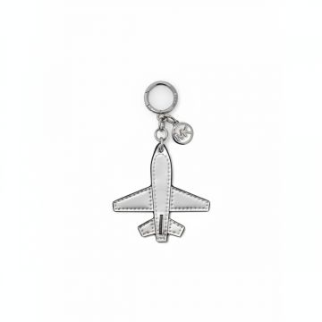 | 35R5SGFK1M-SILVER | Keyring | Women | Michael Kors Airplane Metallic Keychain Silver | One Size | SILVER | 1 | 95.00 € | 95.00 € | PH | 100% POLYURETHANE | 80 | 35R5SGFK1M-SILVER-OS | 0197853280793
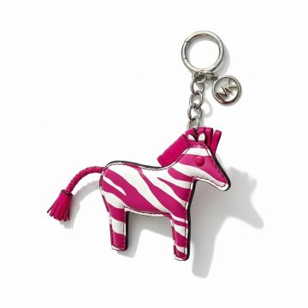 | 35S4SGFK3Y-DRAGONFRUIT | Keyring | Women | Michael Kors Zebra Print Horse Keychain Pink | One Size | PINK | 1 | 65.00 € | 65.00 € | VN | 100% HAIR CALF LEATH ER | 117 | 35S4SGFK3Y-DRAGONFRUIT-OS | 0197853429598
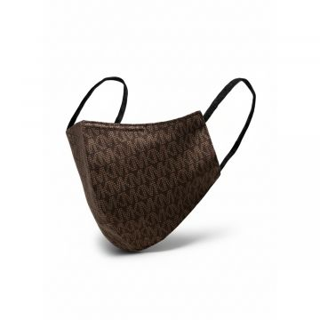 | MU100092TX-CHOCOLATE | Masks | Women | Michael Kors Dot Print Face Mask Chocolate | L/XL | BLACK | 3 | 25.00 € | 75.00 € | CH | 97% COTTON, 3% ELAST ANE | 84 | MU100092TX-CHOCOLATE-L/XL | 0194900578889
 | MU100092TX-CHOCOLATE | Masks | Women | Michael Kors Dot Print Face Mask Chocolate | S/M | BLACK | 5 | 25.00 € | 625.00 € | CH | 97% COTTON, 3% ELAST ANE | 84 | MU100092TX-CHOCOLATE-S/M | 0194900578872
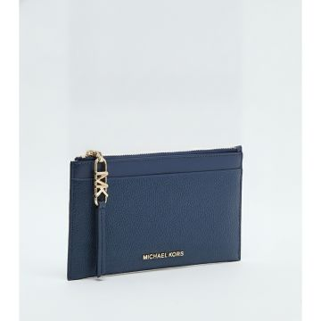 | 32F3G8ED7L-410 | Wallets | Women | Michael Kors Empire Navy Blue Leather Card Case | One Size | NAVY | 1 | 150.00 € | 150.00 € | Indonesia | 100% COW LEATHER | 1,205 | 32F3G8ED7L-410-OS | 0196237161031
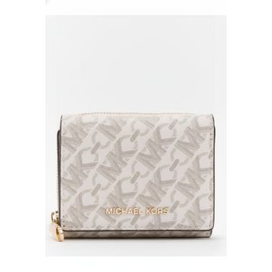 | 32S4G8ED8B-VANILLA_LUGGAGE | Wallets | Women | Michael Kors Empire Leopard Print Bifold Wallet Vanilla Luggage | One Size | Vanilla_Luggage | 1 | 125.00 € | 125.00 € | Cambodia | 90.3% PVC, 9.7% POLY ESTER | 1,205 | 32S4G8ED8B-VANILLA_LUGGAGE-OS | 0196237773951
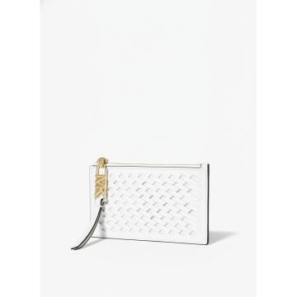 | 32T4G8ED1L-OPTIC WHITE | Wallets | Women | Michael Kors Woven Leather Clutch White | One Size | WHITE | 31 | 95.00 € | 2,945.00 € | Vietnam | 100% COW LEATHER | 1,205 | 32T4G8ED1L-OPTIC WHITE-OS | 0196237954114
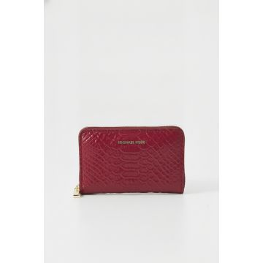 | 32T5GYTD0L-MULBERRY | Wallets | Women | Money Pieces | One Size | MULBERRY | 129 | 129.00 € | 16,641.00 € | Indonesia | 100% COW LEATHER | 1,205 | 32T5GYTD0L-MULBERRY-OS | 0197853733138
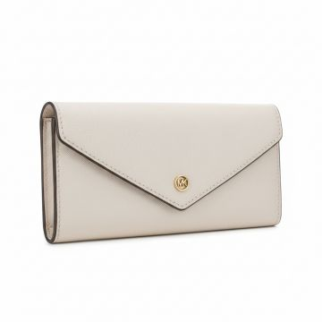 | 35F3GTVE7L-LT CREAM | Wallets | Women | Michael Kors Jet Set Travel Envelope Wallet Cream | One Size | Cream | 150 | 265.00 € | 39,750.00 € | BD | 100% COW LEATHER | 124 | 35F3GTVE7L-LT CREAM-OS | 0196163986906
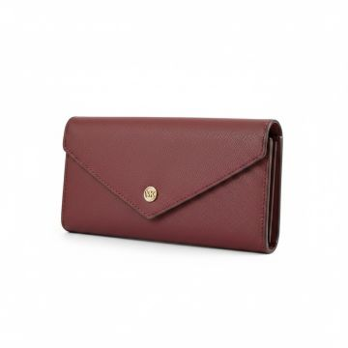 | 35F3GTVE7L-LUGGAGE | Wallets | Women | LG ENV CONTINENTAL | One Size | LUGGAGE | 8 | 265.00 € | 2,120.00 € | Bangladesh | 100% COW LEATHER | 124 | 35F3GTVE7L-LUGGAGE-OS | 0196163986890
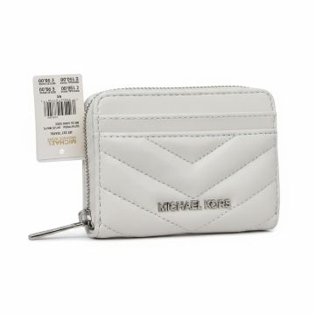 | 35F4STVD2U-OPTIC WHITE | Wallets | Women | Michael Kors Quilted Card Holder Optic White | One Size | OPTIC WHITE | 56 | 150.00 € | 8,400.00 € | Vietnam | 52% PU, 48 % POLY | 1,205 | 35F4STVD2U-OPTIC WHITE-OS | 0197853277557
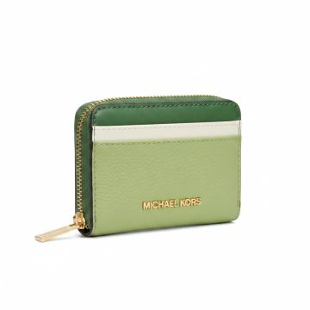 | 35H8GTVZ1L-MOSS | Wallets | Women | JET SET TRAVEL | One Size | BROWN | 224 | 150.00 € | 33,600.00 € | Vietnam | 100% COW LEATHER | 1,282 | 35H8GTVZ1L-MOSS-OS | 0199125030464
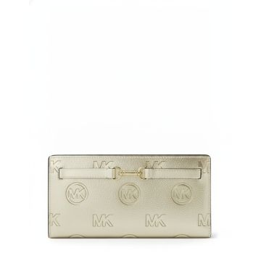 | 35R6G2ZE3M-PALE GOLD | Wallets | Women | Michael Kors Carson Pale Gold Embossed Logo Wallet | One Size | GOLD | 200 | 225.00 € | 45,000.00 € | Vietnam | TEXTILE BASE COATED IN PU | 1,240 | 35R6G2ZE3M-PALE GOLD-OS | 0199125033847
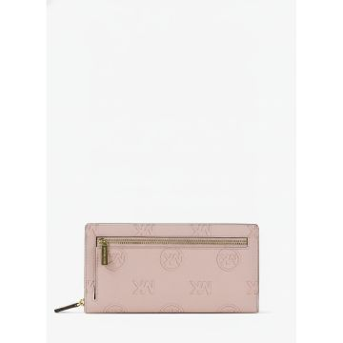 | 35R6G2ZE3V-POWDER BLUSH | Wallets | Women | Michael Kors Carson Embossed Logo Wallet Powder Blush | One Size | PINK | 258 | 225.00 € | 58,050.00 € | Vietnam | 60% PU 40 % POLY | 1,240 | 35R6G2ZE3V-POWDER BLUSH-OS | 0199125033892
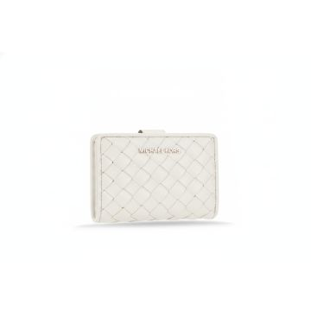 | 35R6GTVF6Y-LT CREAM | Wallets | Women | JET SET TRAVEL | One Size | Cream | 633 | 250.00 € | 158,250.00 € | India | TEXTILE BASE COATED IN PU | 1,255 | 35R6GTVF6Y-LT CREAM-OS | 0199125032550
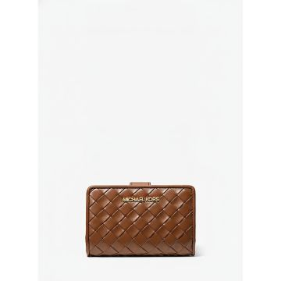 | 35R6GTVF6Y-LUGGAGE | Wallets | Women | JET SET TRAVEL | One Size | LUGGAGE | 310 | 250.00 € | 77,500.00 € | India | TEXTILE BASE COATED IN PU | 1,255 | 35R6GTVF6Y-LUGGAGE-OS | 0199125032543
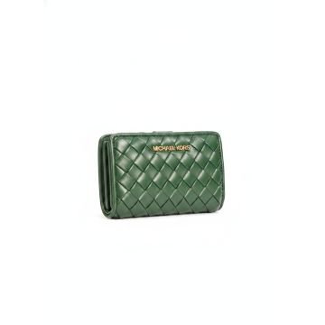 | 35R6GTVF6Y-MOSS | Wallets | Women | JET SET TRAVEL | One Size | BROWN | 550 | 250.00 € | 137,500.00 € | India | TEXTILE BASE COATED IN PU | 1,255 | 35R6GTVF6Y-MOSS-OS | 0199125032567
 | 35R6GTVF6Y-POWDER BLUSH | Wallets | Women | JET SET TRAVEL | One Size | PINK | 547 | 250.00 € | 136,750.00 € | India | TEXTILE BASE COATED IN PU | 1,255 | 35R6GTVF6Y-POWDER BLUSH-OS | 0199125032574
 | 35R6STVF6I-SILVER | Wallets | Women | JET SET TRAVEL | One Size | SILVER | 445 | 250.00 € | 111,250.00 € | India | 77% PU 18.26% POLY 4.74% VU | 1,255 | 35R6STVF6I-SILVER-OS | 0199125036978
 | 35S5G2ZE3L-MOSS | Wallets | Women | Michael Kors Carson Dark Green Pebbled Leather Zip Wallet | One Size | BROWN | 124 | 225.00 € | 27,900.00 € | India | 100% COW LEATHER | 1,240 | 35S5G2ZE3L-MOSS-OS | 0199125040883
 | 35T5S4VS1Y-OPTIC WHITE | Wallets | Women | SM TZ SATCHEL | One Size | OPTIC WHITE | 1 | 450.00 € | 450.00 € | Indonesia | 60% POLYURETHANE, 20 % COTTON, 20% POLYES TER | 148 | 35T5S4VS1Y-OPTIC WHITE-OS | 0197853713970
 | 36S5LCOF1B-BLACK | Wallets | Women | Michael Kors Cooper Monogram Card Holder Black | One Size | BLACK | 5 | 150.00 € | 750.00 € | India | 89.4% PVC 9.6% POLY 1% PU | 1,282 | 36S5LCOF1B-BLACK-OS | 0197853420564
 | 36S5LCOF1B-MOSS | Wallets | Women | COOPER | One Size | BROWN | 54 | 150.00 € | 8,100.00 € | India | 89.4% PVC 9.6% POLY 1% PU | 1,282 | 36S5LCOF1B-MOSS-OS | 0199125027174
 | 30T5STNB3C-BLACK | Backpacks | Women | Michael Kors MK Monogram Logo Backpack Black | One Size | BLACK | 185 | 325.00 € | 60,125.00 € | Cambodia | 100% RECYCLED POLYES TER | 1,205 | 30T5STNB3C-BLACK-OS | 0197853729391
 | 35F3G6HB6L-BLACK | Backpacks | Women | Michael Kors Leather Backpack Black | One Size | BLACK | 49 | 450.00 € | 22,050.00 € | Philippines | 89.4% PVC 9.6% POLY 1% PU | 170 | 35F3G6HB6L-BLACK-OS | 0196237300034
 | 35F3G6HB6L-LUGGAGE | Backpacks | Women | Michael Kors Sheila Saffiano Backpack Brown | One Size | BROWN | 118 | 450.00 € | 53,100.00 € | KH | 88.92% PVC, 11.08% P OLYESTER | 170 | 35F3G6HB6L-LUGGAGE-OS | 0196237481955
 | 35S2G8TB2B-BROWN | Backpacks | Women | Michael Kors JAYCEE Signature Backpack Brown | One Size | BROWN | 4 | 495.00 € | 1,980.00 € | ID | 89.4% PVC, 9.6% POLY ESTER, 1% POLYURETHA NE | 168 | 35S2G8TB2B-BROWN-OS | 0196163095950
 | 35S2G8TB2B-POWDER BLUSH | Backpacks | Women | Michael Kors Brown Pink Mini Backpack | One Size | PINK | 5 | 495.00 € | 2,475.00 € | ID | 89.4% PVC, 9.6% POLY ESTER, 1% POLYURETHA NE | 168 | 35S2G8TB2B-POWDER BLUSH-OS | 0196163096087
 | 35S2G8TB2L-BLACK | Backpacks | Women | Michael Kors Leather Backpack Black | One Size | BLACK | 13 | 495.00 € | 6,435.00 € | ID | 100% COW LEATHER | 168 | 35S2G8TB2L-BLACK-OS | 0196163096124
 | 35S2G8TB2L-LT CREAM | Backpacks | Women | Michael Kors Mini Backpack Light Cream | One Size | Cream | 21 | 495.00 € | 10,395.00 € | ID | 100% COW LEATHER | 168 | 35S2G8TB2L-LT CREAM-OS | 0196163096179
 | 35S2G8TB2L-LUGGAGE | Backpacks | Women | Michael Kors Jaycee Leather Backpack Brown | One Size | BROWN | 4 | 495.00 € | 1,980.00 € | ID | 100% COW LEATHER | 168 | 35S2G8TB2L-LUGGAGE-OS | 0196163096162
 | 35S2G8TB2L-POWDER BLUSH | Backpacks | Women | Michael Kors Jaycee Leather Backpack Pink | One Size | PINK | 193 | 495.00 € | 95,535.00 € | ID | 100% COW LEATHER | 168 | 35S2G8TB2L-POWDER BLUSH-OS | 0196163096254
 | 35S5GRAB6V-PWD BLSH MLT | Backpacks | Women | Michael Kors Color Block Mini Backpack Pink | One Size | PWD BLSH MLT | 634 | 450.00 € | 285,300.00 € | Cambodia | 89.4% PVC 9.6% POLY 1% PU | 1,205 | 35S5GRAB6V-PWD BLSH MLT-OS | 0197853425620
 | 37U9LCRB3B-ADMRL_PLBLUE | Backpacks | Women | Michael Kors Cooper Navy Logo Print Backpack | One Size | ADMRL_PLBLUE | 162 | 500.00 € | 81,000.00 € | Bangladesh | 89.4% PVC, 9.6% POLY ESTER, 1% POLYURETHA NE | 1,205 | 37U9LCRB3B-ADMRL_PLBLUE-OS | 0193600529917
 | 35S4G4DC5J-BLACK | Belt bags | Women | Michael Kors Dover MK Logo Crossbody Bag Black | One Size | BLACK | 34 | 325.00 € | 11,050.00 € | KH | 70% COTTON, 30% POLY ESTER | 127 | 35S4G4DC5J-BLACK-OS | 0196237630223
 | 37T5LCOC6O-POP ORANGE | Belt bags | Women | Michael Kors Cooper Crossbody Bag Orange | One Size | Orange | 44 | 350.00 € | 15,400.00 € | IN | 74% PVC, 19% POLYEST ER, 7% POLYURETHANE | 166 | 37T5LCOC6O-POP ORANGE-OS | 0197853699694
 | 35T4STVW5C-1 | Clutch | Women | Michael Kors Jet Set Travel Wristlet Black | One Size | BLACK | 3 | 265.00 € | 795.00 € | BD | 100% NYLON | 170 | 35T4STVW5C-1-OS | 0196237922236
 | 35T5STVW1C-BLACK | Clutch | Women | JET SET TRAVEL | One Size | BLACK | 604 | 265.00 € | 160,060.00 € | Indonesia, ID | 100% RECYCLED NYLON, 100% RECYCLED NYLON | 715 | 35T5STVW1C-BLACK-OS | 0197853712362
 | 35F4G4VS3L-LT CREAM | Handbag | Women | Michael Kors Avril Leather Satchel Cream | One Size | Cream | 46 | 475.00 € | 21,850.00 € | BD | 100% COW LEATHER | 161 | 35F4G4VS3L-LT CREAM-OS | 0197853081437
 | 35S1GM9M2L-POWDER BLUSH | Handbag | Women | Michael Kors Mercer Satchel Bag Pink | One Size | POWDER BLUSH | 3 | 450.00 € | 1,350.00 € | Cambodia | 100% COW LEATHER | 1,549 | 35S1GM9M2L-POWDER BLUSH-OS | 0194900272183
 | 30S0GTFT3B-VANILLA_ACORN | Luggages | Women | Michael Kors Signature Vanilla Hard Shell Suitcase | One Size | VANILLA | 257 | 495.00 € | 127,215.00 € | Vietnam | 91% PVC 8% POLY R 1% PU | 1,205 | 30S0GTFT3B-VANILLA_ACORN-OS | 0194900336793
 | 30S4S2RL5K-SILVER | Messenger & crossbody bags | Women | Michael Kors Tribeca Quilted Metallic Silver Crossbody Bag | One Size | SILVER | 120 | 295.00 € | 35,400.00 € | Vietnam | 100% LAMB LEATHER | 1,205 | 30S4S2RL5K-SILVER-OS | 0196237769169
 | 30T5G2RL9L-CHOCOLATE | Messenger & crossbody bags | Women | Shoulder | One Size | CHOCOLATE | 34 | 350.00 € | 11,900.00 € | Cambodia | 100% COW LEATHER | 1,205 | 30T5G2RL9L-CHOCOLATE-OS | 0197853728301
 | 30T5G2RL9L-MULBERRY | Messenger & crossbody bags | Women | Michael Kors Sloan Large Leather Shoulder Bag Mulberry | One Size | MULBERRY | 104 | 350.00 € | 36,400.00 € | Cambodia | 100% COW LEATHER | 1,205 | 30T5G2RL9L-MULBERRY-OS | 0197853728318
 | 32F7GFDW6L-BLACK | Messenger & crossbody bags | Women | JET SET | One Size | BLACK | 1 | 145.00 € | 145.00 € | Cambodia | 100% COW LEATHER | 1,205 | 32F7GFDW6L-BLACK-OS | 0191262367403
 | 32H3G8EW6L-FRENC | Messenger & crossbody bags | Women | Cosmetics/Pouches/Clutch | One Size | FRENC | 2 | 228.75 € | 457.50 € | Indonesia, Cambodia | 100% COW LEATHER, 100% COW LEATHER | 1,205 | 32H3G8EW6L-FRENC-OS | 0196237510396
 | 32T5GZCU1M-PALE GOLD | Messenger & crossbody bags | Women | Cosmetics/Pouches/Clutch | One Size | PALE GOLD | 161 | 152.50 € | 24,552.50 € | Indonesia | 100% COW LEATHER | 1,205 | 32T5GZCU1M-PALE GOLD-OS | 0197853733381
 | 33T5LTNY9C-BLACK | Messenger & crossbody bags | Women | Michael Kors MK Logo Belt Bag Black | One Size | BLACK | 18 | 180.00 € | 3,240.00 € | Vietnam | 100% RECYCLED NYLON | 1,205 | 33T5LTNY9C-BLACK-OS | 0197853725034
 | 35F4G4VS3B-BROWN | Messenger & crossbody bags | Women | Michael Kors Signature Print Satchel Bag Brown | One Size | BROWN | 384 | 475.00 € | 182,400.00 € | Indonesia | 89.4% PVC 9.6% POLY 1% PU | 1,205 | 35F4G4VS3B-BROWN-OS | 0197853081376
 | 35F4G4VS3B-VANILLA | Messenger & crossbody bags | Women | Michael Kors Signature Logo Tote Bag Vanilla Brown | One Size | VANILLA | 149 | 475.00 € | 70,775.00 € | Indonesia | 89.4% PVC 9.6% POLY 1% PU | 1,205 | 35F4G4VS3B-VANILLA-OS | 0197853081369
 | 35F5G4XC8B-VANILLA | Messenger & crossbody bags | Women | Michael Kors Signature Print Crossbody Bag Vanilla | One Size | VANILLA | 30 | 275.00 € | 8,250.00 € | Indonesia | 89.4% PVC, 9.6% POLY, 1% PU | 147 | 35F5G4XC8B-VANILLA-OS | 0197853808614
 | 35F5G4XC8V-CHERRY | Messenger & crossbody bags | Women | Michael Kors Arden Signature Crossbody Bag Cherry | One Size | CHERRY | 3 | 275.00 € | 825.00 € | Indonesia | 89.4% PVC, 9.6% POLY, 1% PU | 147 | 35F5G4XC8V-CHERRY-OS | 0197853808706
 | 35F5G4XC8V-POWDER BLUSH | Messenger & crossbody bags | Women | Michael Kors Arden Medium Crossbody Powder Blush | One Size | POWDER BLUSH | 41 | 275.00 € | 11,275.00 € | Indonesia | 89.4% PVC, 9.6% POLY, 1% PU | 147 | 35F5G4XC8V-POWDER BLUSH-OS | 0197853808690
 | 35F5GTVC8B-BLACK | Messenger & crossbody bags | Women | JET SET TRAVEL | One Size | BLACK | 621 | 350.00 € | 217,350.00 € | Cambodia | 89.4% PVC 9.6% POLY 1% PU | 1,244 | 35F5GTVC8B-BLACK-OS | 0197853806498
 | 35F5GTVC8B-BROWN | Messenger & crossbody bags | Women | Michael Kors Jet Set Travel crossbody wallet in signature brown monogram | One Size | BROWN | 8 | 350.00 € | 2,800.00 € | Cambodia | 89.4% PVC 9.6% POLY 1% PU | 1,244 | 35F5GTVC8B-BROWN-OS | 0197853806511
 | 35F5GTVC8B-VANILLA | Messenger & crossbody bags | Women | Michael Kors Jet Set Travel small crossbody bag in vanilla | One Size | VANILLA | 12 | 350.00 € | 4,200.00 € | Cambodia | 89.4% PVC 9.6% POLY 1% PU | 1,244 | 35F5GTVC8B-VANILLA-OS | 0197853806504
 | 35F5GTVC8L-LT CREAM | Messenger & crossbody bags | Women | JET SET TRAVEL | One Size | Cream | 216 | 350.00 € | 75,600.00 € | Indonesia | 100% COW LEATHER | 1,244 | 35F5GTVC8L-LT CREAM-OS | 0197853806566
 | 35F5GWHL8M-PALE GOLD | Messenger & crossbody bags | Women | Michael Kors Whitney Crossbody Bag Pale Gold | One Size | PALE GOLD | 25 | 450.00 € | 11,250.00 € | Vietnam | TEXTILE BASE COATED IN PU | 1,205 | 35F5GWHL8M-PALE GOLD-OS | 0197853807440
 | 35F5S1QC5M-SILVER | Messenger & crossbody bags | Women | Michael Kors Silver Metallic Chain Shoulder Bag | One Size | SILVER | 33 | 325.00 € | 10,725.00 € | Vietnam | 100% POLYURETHANE | 1,205 | 35F5S1QC5M-SILVER-OS | 0197853813250
 | 35F5S4XC8L-BLACK | Messenger & crossbody bags | Women | Michael Kors Arden Medium Crossbody Bag Black | One Size | BLACK | 31 | 275.00 € | 8,525.00 € | Indonesia | 88.92% PVC, 11.08% P OLYESTER | 147 | 35F5S4XC8L-BLACK-OS | 0197853814189
 | 35F5STVC6Y-SILVER | Messenger & crossbody bags | Women | Michael Kors Jet Set Travel silver metallic leather clutch wallet | One Size | SILVER | 123 | 350.00 € | 43,050.00 € | Indonesia | 100% COW LEATHER | 1,244 | 35F5STVC6Y-SILVER-OS | 0197853811966
 | 35R4SWHL6U-NAVY | Messenger & crossbody bags | Women | Michael Kors Whitney Quilted Crossbody Navy | One Size | NAVY | 533 | 450.00 € | 239,850.00 € | Vietnam | 52% PU, 48 % POLY | 1,205 | 35R4SWHL6U-NAVY-OS | 0196237489159
 | 35R6G2ZC7M-PALE GOLD | Messenger & crossbody bags | Women | Michael Kors Carson Logo Clutch Wallet Pale Gold | One Size | GOLD | 124 | 295.00 € | 36,580.00 € | Vietnam | TEXTILE BASE COATED IN PU | 1,240 | 35R6G2ZC7M-PALE GOLD-OS | 0199125033779
 | 35R6GTVC3B-MOSS MULTI | Messenger & crossbody bags | Women | JET SET TRAVEL | One Size | BROWN | 57 | 295.00 € | 16,815.00 € | Indonesia | 90% PVC 10% POLY | 1,249 | 35R6GTVC3B-MOSS MULTI-OS | 0199125031973
 | 35R6GTVC7L-MOSS | Messenger & crossbody bags | Women | JET SET TRAVEL | One Size | BROWN | 32 | 325.00 € | 10,400.00 € | Cambodia | 100% COW LEATHER | 1,233 | 35R6GTVC7L-MOSS-OS | 0199125032215
 | 35R6GTVC7L-POWDER BLUSH | Messenger & crossbody bags | Women | JET SET TRAVEL | One Size | PINK | 850 | 325.00 € | 276,250.00 € | Cambodia | 100% COW LEATHER | 1,233 | 35R6GTVC7L-POWDER BLUSH-OS | 0199125032246
 | 35R6GTVC8Y-LT CREAM | Messenger & crossbody bags | Women | JET SET TRAVEL | One Size | Cream | 255 | 395.00 € | 100,725.00 € | India | TEXTILE BASE COATED IN PU | 1,234 | 35R6GTVC8Y-LT CREAM-OS | 0199125032352
 | 35R6GTVC8Y-LUGGAGE | Messenger & crossbody bags | Women | JET SET TRAVEL | One Size | LUGGAGE | 41 | 395.00 € | 16,195.00 € | India | TEXTILE BASE COATED IN PU | 1,234 | 35R6GTVC8Y-LUGGAGE-OS | 0199125032345
 | 35R6GTVC8Y-MOSS | Messenger & crossbody bags | Women | JET SET TRAVEL | One Size | BROWN | 64 | 395.00 € | 25,280.00 € | India | TEXTILE BASE COATED IN PU | 1,234 | 35R6GTVC8Y-MOSS-OS | 0199125032369
 | 35R6GTVC8Y-POWDER BLUSH | Messenger & crossbody bags | Women | JET SET TRAVEL | One Size | PINK | 250 | 395.00 € | 98,750.00 € | India | TEXTILE BASE COATED IN PU | 1,234 | 35R6GTVC8Y-POWDER BLUSH-OS | 0199125032376
 | 35R6S2ZC3V-OPTIC WHITE | Messenger & crossbody bags | Women | Michael Kors Carson Optic White Embossed Leather Clutch | One Size | WHITE | 27 | 295.00 € | 7,965.00 € | Vietnam | 60% PU 40 % POLY | 1,240 | 35R6S2ZC3V-OPTIC WHITE-OS | 0199125038040
 | 35R6STVC3B-BLACK COMBO | Messenger & crossbody bags | Women | JET SET TRAVEL | One Size | BLACK | 40 | 295.00 € | 11,800.00 € | Indonesia | 90% PVC 10% POLY | 1,240 | 35R6STVC3B-BLACK COMBO-OS | 0199125036541
 | 35R6STVC7L-OPTIC WHITE | Messenger & crossbody bags | Women | The Michael Kors Jet Set Travel crossbody bag in optic white | One Size | WHITE | 91 | 325.00 € | 29,575.00 € | Cambodia | 100% COW LEATHER | 1,233 | 35R6STVC7L-OPTIC WHITE-OS | 0199125036756
 | 35R6STVC8I-SILVER | Messenger & crossbody bags | Women | JET SET TRAVEL | One Size | SILVER | 447 | 395.00 € | 176,565.00 € | India | 77% PU 18.26% POLY 4.74% VU | 1,234 | 35R6STVC8I-SILVER-OS | 0199125036824
 | 35S3G6HS2L-POWDER BLUSH | Messenger & crossbody bags | Women | Michael Kors Saffiano Leather Handbag Pink | One Size | POWDER BLUSH | 176 | 395.00 € | 69,520.00 € | Cambodia | 89.4% PVC 9.6% POLY 1% PU | 1,205 | 35S3G6HS2L-POWDER BLUSH-OS | 0196163778556
 | 35S4G9GM8L-7278 | Messenger & crossbody bags | Women | Michael Kors Leida Chain Crossbody Bag Pink | One Size | BROWN | 368 | 425.00 € | 156,400.00 € | BD | 88.92% PVC, 11.08% P OLYESTER | 160 | 35S4G9GM8L-7278-OS | 0196237633507
 | 35S4GM9S6L-BLACK | Messenger & crossbody bags | Women | Michael Kors Structured Leather Handbag Black | One Size | BLACK | 4 | 450.00 € | 1,800.00 € | Indonesia | 75% PU 25% POLY | 1,549 | 35S4GM9S6L-BLACK-OS | 0196237626103
 | 35S4GM9S6L-POWDER BLUSH | Messenger & crossbody bags | Women | Michael Kors Pink Leather Satchel Handbag | One Size | POWDER BLUSH | 69 | 450.00 € | 31,050.00 € | Indonesia | 75% PU 25% POLY | 1,549 | 35S4GM9S6L-POWDER BLUSH-OS | 0196237626196
 | 35S5GGRK4B-BROWN | Messenger & crossbody bags | Women | Michael Kors Greenwich Signature Trifold Wallet Brown | One Size | BROWN | 31 | 150.00 € | 4,650.00 € | Vietnam | 89.4% PVC 9.6% POLY 1% PU | 1,282 | 35S5GGRK4B-BROWN-OS | 0197853425071
 | 35S6G5ZM2B-BROWN | Messenger & crossbody bags | Women | NAYLA | One Size | BROWN | 11 | 350.00 € | 3,850.00 € | Bangladesh | 89.4% PVC, 9.6% POLY ESTER, 1% POLYURETHA NE | 1,205 | 35S6G5ZM2B-BROWN-OS | 0199125143874
 | 35S6S1SC1Y-PALE OCEAN | Messenger & crossbody bags | Women | SOHO | One Size | PALE OCEAN | 24 | 350.00 € | 8,400.00 € | Indonesia | 53.5% PU, 46.5% POLY ESTER | 1,205 | 35S6S1SC1Y-PALE OCEAN-OS | 0199125148312
 | 35T2GM9S3L-7278 | Messenger & crossbody bags | Women | Handbags, Made In: VN, Compo: 100% COW LEATHER, HS CODE:4202.21.0090 | One Size | PINK | 21 | 490.00 € | 10,290.00 € | ID | 100% COW LEATHER | 1,547 | 35T2GM9S3L-7278-OS | 0196163284064
 | 35T5SIMM8L-BLACK | Messenger & crossbody bags | Women | Michael Kors Mila Black Leather Saddle Crossbody Bag | One Size | BLACK | 570 | 395.00 € | 225,150.00 € | Vietnam | 100% COW LEATHER | 1,205 | 35T5SIMM8L-BLACK-OS | 0197853711129
 | 35F5S8WE6S-NAVY | Shoulder bags | Women | Michael Kors Navy Blue Shoulder Bag | One Size | NAVY | 890 | 495.00 € | 440,550.00 € | Indonesia | 100% COW LEATHER | 1,205 | 35F5S8WE6S-NAVY-OS | 0199125030143
 | 35H1G9TL9L-POWDER BLUSH | Shoulder bags | Women | LG TRPL GUSSET SHLDR | One Size | POWDER BLUSH | 33 | 495.00 € | 16,335.00 € | Indonesia | 100% COW LEATHER | 169 | 35H1G9TL9L-POWDER BLUSH-OS | 0194900900826
 | 35S4GM9S6L-LT CREAM | Shoulder bags | Women | MD TZ BELTED STCHL | One Size |  | 3 | 450.00 € | 1,350.00 € |  |  | 155 | 35S4GM9S6L-LT CREAM-OS | 0196237626141
 | 30T5GQNT9V-BALLET | Tote bags | Women | Michael Kors Quinn Ballet Pink Logo Tote Bag | One Size | PINK | 10 | 250.00 € | 2,500.00 € | Indonesia | 89.4% PVC 9.6% POLY 1% PU | 1,205 | 30T5GQNT9V-BALLET-OS | 0197853727663
 | 30T5STNT1C-BLACK | Tote bags | Women | Michael Kors MK Monogram Zip Tote Black | One Size | BLACK | 24 | 195.00 € | 4,680.00 € | Cambodia | 100% RECYCLED POLYES TER | 1,205 | 30T5STNT1C-BLACK-OS | 0197853729414
 | 33T5LTNU3C-BLACK | Tote bags | Women | Michael Kors MK Monogram Duffel Bag Black | One Size | BLACK | 16 | 330.00 € | 5,280.00 € | Vietnam | 100% RECYCLED NYLON | 1,205 | 33T5LTNU3C-BLACK-OS | 0197853725027
 | 35F0GTVT9L-POWDER BLUSH | Tote bags | Women | LG TZ SHLDR TOTE | One Size | POWDER BLUSH | 32 | 395.00 € | 12,640.00 € | Indonesia | 100% COW LEATHER | 168 | 35F0GTVT9L-POWDER BLUSH-OS | 0194900033678
 | 35F3GTVT8B-POWDER BLUSH | Tote bags | Women | JET SET TRAVEL | One Size | POWDER BLUSH | 1,408 | 350.00 € | 492,800.00 € | Indonesia | 60% PU, 20 % CO, 20% POLY | 1,205 | 35F3GTVT8B-POWDER BLUSH-OS | 0196237481801
 | 35F4S6RT3B-ADMIRAL | Tote bags | Women | Michael Kors Reed Navy Tote Bag | One Size | Blue | 9 | 395.00 € | 3,555.00 € | BD | 74% PVC, 19% POLYEST ER, 7% POLYURETHANE | 169 | 35F4S6RT3B-ADMIRAL-OS | 0197853085923
 | 35H3STVT6B-410 | Tote bags | Women | Jet Set Medium Pocket Tote Bag | One Size |  | 1,324 | 350.00 € | 463,400.00 € |  |  | 180 | 35H3STVT6B-410-OS | 0196237483485
 | 35S1GM9M2L-BLACK | Tote bags | Women | Michael Kors Black Leather Tote Bag | One Size | BLACK | 6 | 450.00 € | 2,700.00 € | Cambodia | 100% COW LEATHER | 1,549 | 35S1GM9M2L-BLACK-OS | 0194900272107
 | 35S5SV6T7B-DARKR | Tote bags | Women | Michael Kors Voyager Signature Logo Tote Raspberry | One Size | DARKR | 188 | 425.00 € | 79,900.00 € | Indonesia | 89.4% PVC, 9.6% POLY, 1% PU, 91% PVC, 8% POLYESTE R, 1% PU | 1,195 | 35S5SV6T7B-DARKR-OS | 0197853706354
 | 35T2GM9S3B-VANILLA | Tote bags | Women | Michael Kors Mercer Signature Tote Vanilla | One Size | VANILLA | 15 | 495.00 € | 7,425.00 € | Vietnam | 45.5% PVC 35.6% PU 14.4% POLY 4.5% CO | 1,547 | 35T2GM9S3B-VANILLA-OS | 0196163283692
 | 35T5SV0T3Y-OPTIC WHITE | Tote bags | Women | Michael Kors Perforated Tote Bag White | One Size | WHITE | 42 | 425.00 € | 17,850.00 € | IN | 100% ECO-LEATHER | 157 | 35T5SV0T3Y-OPTIC WHITE-OS | 0197853712775
 | CS46084F96-GRECIAN BLUE | Cardigans | Men | Michael Kors Blue Knit Sweater Grecian Blue | S | Blue | 19 | 199.00 € | 3,781.00 € | CN | 100% ORGANIC COTTON | 127 | CS46084F96-GRECIAN BLUE-S | 0197005128737
 | CS46084F96-GRECIAN BLUE | Cardigans | Men | Michael Kors Blue Knit Sweater Grecian Blue | XS | Blue | 11 | 199.00 € | 2,189.00 € | CN | 100% ORGANIC COTTON | 127 | CS46084F96-GRECIAN BLUE-XS | 0197005128720
 | MF360NR6V1-BRT_TRRCOTTA | Cardigans | Women | Michael Kors Ribbed Mock Neck Sweater Red | XL | Red | 1 | 325.00 € | 325.00 € | CN | 95% MERINO WOOL, 5% CASHMERE | 91 | MF360NR6V1-BRT_TRRCOTTA-XL | 0196237223227
 | MF360NR6V1-BRT_TRRCOTTA | Cardigans | Women | Michael Kors Ribbed Mock Neck Sweater Red | XXL | Red | 3 | 325.00 € | 975.00 € | CN | 95% MERINO WOOL, 5% CASHMERE | 91 | MF360NR6V1-BRT_TRRCOTTA-XXL | 0196237223234
 | OR551TEGVH-ALLUMIN HEAT | Cardigans | Women | Michael Kors Oversized Button Cardigan Grey | L | Grey | 2 | 250.00 € | 500.00 € | VN | 98% COTTON, 2% ELAST ANE | 165 | OR551TEGVH-ALLUMIN HEAT-L | 0197005690975
 | JF4820VFGQ-SILVER | Dresses | Women | Michael Kors Bell Sleeve Knit Dress Silver | L | SILVER | 2 | 275.00 € | 550.00 € | CN | 60% VISCOSE 23% POLY AMIDE 14% POLYESTER 3% ELASTANE | 150 | JF4820VFGQ-SILVER-L | 0197853104747
 | JF4820VFGQ-SILVER | Dresses | Women | Michael Kors Bell Sleeve Knit Dress Silver | M | SILVER | 1 | 275.00 € | 275.00 € | CN | 60% VISCOSE 23% POLY AMIDE 14% POLYESTER 3% ELASTANE | 150 | JF4820VFGQ-SILVER-M | 0197853104730
 | JF4820VFGQ-SILVER | Dresses | Women | Michael Kors Bell Sleeve Knit Dress Silver | XL | SILVER | 1 | 275.00 € | 275.00 € | CN | 60% VISCOSE 23% POLY AMIDE 14% POLYESTER 3% ELASTANE | 150 | JF4820VFGQ-SILVER-XL | 0197853104754
 | JS582SYF4C-BLACK | Dresses | Women | SMOCKED MIDI DRESS | XS | BLACK | 1 | 325.00 € | 325.00 € | China | 96% ORGANIC COTTON, 4% ELASTANE | 1,149 | JS582SYF4C-BLACK-XS | 0197853447240
 | MF2818S6S2-MARIGOLD | Dresses | Women | Michael Kors Leopard Print Wrap Dress Brown | XXS | BROWN | 2 | 225.00 € | 450.00 € | CN | 55% RECYCLED POLYEST ER, 45% POLYESTER | 131 | MF2818S6S2-MARIGOLD-XXS | 0196163593357
 | MF381UNGVR-MARIGOLD | Dresses | Women | Michael Kors Chain Belt Midi Dress Brown | XXL | BROWN | 1 | 250.00 € | 250.00 € | CN | 88% POLYESTER, 12% W OOL | 101 | MF381UNGVR-MARIGOLD-XXL | 0196237113061
 | MH3820933D-BLACK | Dresses | Women | Michael Kors Cutout Turtleneck Dress Black | XL | BLACK | 1 | 250.00 € | 250.00 € | CN | 63% REC. VISCOSE 19% NYLON 15% POLYE STER 3% E | 118 | MH3820933D-BLACK-XL | 0196237340573
 | MR4826Y3GZ-MIDNIGHT BLUE | Dresses | Women | Michael Kors Cutout Midi Dress Blue | M | Blue | 1 | 395.00 € | 395.00 € | CN | 92% POLYESTER, 8% EL ASTANE | 75 | MR4826Y3GZ-MIDNIGHT BLUE-10 | 0196237526847
 | MR4826Y3GZ-MIDNIGHT BLUE | Dresses | Women | Michael Kors Cutout Midi Dress Blue | XS | Blue | 12 | 395.00 € | 4,740.00 € | CN | 92% POLYESTER, 8% EL ASTANE | 75 | MR4826Y3GZ-MIDNIGHT BLUE-2 | 0196237526809
 | MR4826Y3GZ-MIDNIGHT BLUE | Dresses | Women | Michael Kors Cutout Midi Dress Blue | S | Blue | 14 | 395.00 € | 5,530.00 € | CN | 92% POLYESTER, 8% EL ASTANE | 75 | MR4826Y3GZ-MIDNIGHT BLUE-4 | 0196237526816
 | MR4826Y3GZ-MIDNIGHT BLUE | Dresses | Women | Michael Kors Cutout Midi Dress Blue | S_M | Blue | 14 | 395.00 € | 5,530.00 € | CN | 92% POLYESTER, 8% EL ASTANE | 75 | MR4826Y3GZ-MIDNIGHT BLUE-6 | 0196237526823
 | MR4826Y3GZ-MIDNIGHT BLUE | Dresses | Women | Michael Kors Cutout Midi Dress Blue | L | Blue | 11 | 395.00 € | 4,345.00 € | CN | 92% POLYESTER, 8% EL ASTANE | 75 | MR4826Y3GZ-MIDNIGHT BLUE-8 | 0196237526830
 | MR4826Y3GZ-MIDNIGHT BLUE | Dresses | Women | Michael Kors Cutout Midi Dress Blue | OO | Blue | 8 | 395.00 € | 3,160.00 € | CN | 92% POLYESTER, 8% EL ASTANE | 75 | MR4826Y3GZ-MIDNIGHT BLUE-OO | 0196237526786
 | MR4826Y3GZ-MIDNIGHT BLUE | Dresses | Women | Michael Kors Cutout Midi Dress Blue | 0 | Blue | 16 | 395.00 € | 6,320.00 € | CN | 92% POLYESTER, 8% EL ASTANE | 75 | MR4826Y3GZ-MIDNIGHTBLUE-0 | 0196237526793
 | MS381JH8EJ-BRT LIMEADE | Dresses | Women | Michael Kors Zebra Print Mini Dress Lime | XS | LIME | 4 | 225.00 € | 900.00 € | CN | 100% Cotton | 146 | MS381JH8EJ-BRT LIMEADE-OS | 0196163906164
 | MS4825DAUY-BLACK_SHITE | Dresses | Women | Michael Kors Floral Wrap Midi Dress Black | S | BLACK | 5 | 350.00 € | 1,750.00 € | CH | 60% VISCOSE, 40% SIL K | 84 | MS4825DAUY-BLACK_SHITE-S | 0196237755346
 | MS482CPE63-WHITE_BLACK | Dresses | Women | Michael Kors Leopard Lace Bodycon Dress Black | XS | WHITE | 6 | 250.00 € | 1,500.00 € | VN | 100% POLYESTER | 118 | MS482CPE63-WHITE_BLACK-XS | 0196237752154
 | CR91BF37MY-BLACK | Jackets | Men | Michael Kors Textured Blazer Black | 44R | BLACK | 1 | 799.00 € | 799.00 € | BG | 30% CUPRO 17% POLY 15%ALPACA 28%WO 10% POLYAMID | 53 | CR91BF37MY-BLACK-44R | 0193600657085
 | CS3205Y9L1-KHAKI | Jackets | Men | Michael Kors Organic Cotton Field Jacket Beige | M | Beige | 1 | 499.00 € | 499.00 € | VN | 98% ORGANIC COTTON, 2% ELASTANE | 118 | CS3205Y9L1-KHAKI-M | 0196839155025
 | MF24LLH6SQ-MERLOT | Pajama Pants | Men | Michael Kors Geometric Print Pajama Set Bordeaux | XS | Bordeaux | 2 | 295.00 € | 590.00 € | CN | 100% POLYESTER | 86 | MF24LLH6SQ-MERLOT-XS | 0196163561561
 | CS330266W8-KHAKI | Pants | Men | Michael Kors Stretch Cotton Chino Pants Beige | 28 | Beige | 1 | 150.00 € | 150.00 € | LK | 97% COTTON, 3% SPAND EX | 141 | CS330266W8-KHAKI-28 | 0196839158637
 | CS93CTJ4JJ-DUSTY ROSE | Pants | Women | Michael Kors Dusty Rose Chino Pants | 32 | PINK | 3 | 119.00 € | 357.00 € | LK | 98% COTTON 2% ELASTANE | 142 | CS93CTJ4JJ-DUSTY ROSE-32 | 0196839198916
 | OH3301C8UZ-MIDNIGHT | Pants | Women | Michael Kors Holiday Tailored Chinos Midnight | 28X32 | Blue | 3 | 200.00 € | 600.00 € | Sri Lanka | 100% POLYESTER | 100 | OH3301C8UZ-MIDNIGHT-28X32 | 0196839699284
 | OR4301C4JJ-KHAKI | Pants | Women | Michael Kors Slim Fit Chino Pants Brown | L | Beige | 1 | 170.00 € | 170.00 € | Sri Lanka | 98% COTTON, 2% ELAST ANE | 124 | OR4301C4JJ-KHAKI-L | 0196839850234
 | OF351M32CZ-HEATHER GREY | Short Sleeve Polo Shirts | Men | Michael Kors Grey Button-Up Dress Shirt | XXXL | Grey | 1 | 160.00 € | 160.00 € | CN | 100% Cotton | 132 | OF351M32CZ-HEATHER GREY-XXXL | 0196839328672
 | OS430364JJ-KHAKI | Sweatpants | Men | Michael Kors Elastic Waist Jogger Pants Khaki | 28 | Beige | 1 | 150.00 € | 150.00 € | LK | 98% COTTON, 2% ELAST ANE | 141 | OS430364JJ-KHAKI-28 | 0197005128966
 | JR5613G5ZV-MIDNIGHT BLUE | Tops | Women | Michael Kors Ribbed Zip Tank Top Blue | M | Blue | 7 | 175.00 € | 1,225.00 € | BD | 100% Cotton | 121 | JR5613G5ZV-MIDNIGHT BLUE-M | 0197853289772
 | JR5613G5ZV-MIDNIGHT BLUE | Tops | Women | Michael Kors Ribbed Zip Tank Top Blue | XS | Blue | 3 | 175.00 € | 525.00 € | BD | 100% Cotton | 121 | JR5613G5ZV-MIDNIGHT BLUE-XS | 0197853289758
 | 40T4CTFP1L-CAMEL | Ballet Flats | Women | Michael Kors Collette Leather Ballet Flat Camel | 9 | CAMEL | 5 | 150.00 € | 750.00 € | Vietnam | 100% SHEEP LEATHER | 1,205 | 40T4CTFP1L-CAMEL-9 | 0197677991967
 | 49F9FUFR3L-NAVY | Ballet Flats | Women | Michael Kors Fulton Navy Leather Ballet Flat | 10 | NAVY | 28 | 150.00 € | 4,200.00 € | China | TEXTILE BASE COATED IN PU | 1,205 | 49F9FUFR3L-NAVY-10 | 0193210725167
 | 49F9FUFR3L-NAVY | Ballet Flats | Women | Michael Kors Fulton Navy Leather Ballet Flat | 5 | NAVY | 58 | 150.00 € | 8,700.00 € | China | TEXTILE BASE COATED IN PU | 1,205 | 49F9FUFR3L-NAVY-5 | 0193210725068
 | 49F9FUFR3L-NAVY | Ballet Flats | Women | Michael Kors Fulton Navy Leather Ballet Flat | 5.5 | NAVY | 50 | 150.00 € | 7,500.00 € | China | TEXTILE BASE COATED IN PU | 1,205 | 49F9FUFR3L-NAVY-5.5 | 0193210725075
 | 49F9FUFR3L-NAVY | Ballet Flats | Women | Michael Kors Fulton Navy Leather Ballet Flat | 6.5 | NAVY | 51 | 150.00 € | 7,650.00 € | China | TEXTILE BASE COATED IN PU | 1,205 | 49F9FUFR3L-NAVY-6.5 | 0193210725099
 | 49F9FUFR3L-NAVY | Ballet Flats | Women | Michael Kors Fulton Navy Leather Ballet Flat | 7 | NAVY | 58 | 150.00 € | 8,700.00 € | China | TEXTILE BASE COATED IN PU | 1,205 | 49F9FUFR3L-NAVY-7 | 0193210725105
 | 49F9FUFR3L-NAVY | Ballet Flats | Women | Michael Kors Fulton Navy Leather Ballet Flat | 7.5 | NAVY | 58 | 150.00 € | 8,700.00 € | China | TEXTILE BASE COATED IN PU | 1,205 | 49F9FUFR3L-NAVY-7.5 | 0193210725112
 | 49F9FUFR3L-NAVY | Ballet Flats | Women | Michael Kors Fulton Navy Leather Ballet Flat | 9 | NAVY | 64 | 150.00 € | 9,600.00 € | China | TEXTILE BASE COATED IN PU | 1,205 | 49F9FUFR3L-NAVY-9 | 0193210725143
 | 49F9FUFR3L-NAVY | Ballet Flats | Women | Michael Kors Fulton Navy Leather Ballet Flat | 9.5 | NAVY | 48 | 150.00 € | 7,200.00 € | China | TEXTILE BASE COATED IN PU | 1,205 | 49F9FUFR3L-NAVY-9.5 | 0193210725150
 | 40T4LNHE5H-BLACK COMBO | Boots | Women | Michael Kors Leopard Print Chelsea Boots Black | 10 | BLACK | 3 | 325.00 € | 975.00 € | VN | 100% HAIR CALF LEATH ER | 153 | 40T4LNHE5H-BLACK COMBO-10 | 0198102038516
 | 40T4LNHE5H-BLACK COMBO | Boots | Women | Michael Kors Leopard Print Chelsea Boots Black | 11 | BLACK | 1 | 325.00 € | 325.00 € | VN | 100% HAIR CALF LEATH ER | 153 | 40T4LNHE5H-BLACK COMBO-11 | 0198102038523
 | 40T4LNHE5H-BLACK COMBO | Boots | Women | Michael Kors Leopard Print Chelsea Boots Black | 5 | BLACK | 2 | 325.00 € | 650.00 € | VN | 100% HAIR CALF LEATH ER | 153 | 40T4LNHE5H-BLACK COMBO-5 | 0198102038417
 | 40T4LNHE5H-BLACK COMBO | Boots | Women | Michael Kors Leopard Print Chelsea Boots Black | 5.5 | BLACK | 4 | 325.00 € | 1,300.00 € | VN | 100% HAIR CALF LEATH ER | 153 | 40T4LNHE5H-BLACK COMBO-5.5 | 0198102038424
 | 40T4LNHE5H-BLACK COMBO | Boots | Women | Michael Kors Leopard Print Chelsea Boots Black | 6 | BLACK | 3 | 325.00 € | 975.00 € | VN | 100% HAIR CALF LEATH ER | 153 | 40T4LNHE5H-BLACK COMBO-6 | 0198102038431
 | 40T4LNHE5H-BLACK COMBO | Boots | Women | Michael Kors Leopard Print Chelsea Boots Black | 6.5 | BLACK | 3 | 325.00 € | 975.00 € | VN | 100% HAIR CALF LEATH ER | 153 | 40T4LNHE5H-BLACK COMBO-6.5 | 0198102038448
 | 40T4LNHE5H-BLACK COMBO | Boots | Women | Michael Kors Leopard Print Chelsea Boots Black | 7 | BLACK | 2 | 325.00 € | 650.00 € | VN | 100% HAIR CALF LEATH ER | 153 | 40T4LNHE5H-BLACK COMBO-7 | 0198102038455
 | 40T4LNHE5H-BLACK COMBO | Boots | Women | Michael Kors Leopard Print Chelsea Boots Black | 7.5 | BLACK | 3 | 325.00 € | 975.00 € | VN | 100% HAIR CALF LEATH ER | 153 | 40T4LNHE5H-BLACK COMBO-7.5 | 0198102038462
 | 40T4LNHE5H-BLACK COMBO | Boots | Women | Michael Kors Leopard Print Chelsea Boots Black | 8 | BLACK | 9 | 325.00 € | 2,925.00 € | VN | 100% HAIR CALF LEATH ER | 153 | 40T4LNHE5H-BLACK COMBO-8 | 0198102038479
 | 40T4LNHE5H-BLACK COMBO | Boots | Women | Michael Kors Leopard Print Chelsea Boots Black | 8.5 | BLACK | 7 | 325.00 € | 2,275.00 € | VN | 100% HAIR CALF LEATH ER | 153 | 40T4LNHE5H-BLACK COMBO-8.5 | 0198102038486
 | 40T4LNHE5H-BLACK COMBO | Boots | Women | Michael Kors Leopard Print Chelsea Boots Black | 9 | BLACK | 2 | 325.00 € | 650.00 € | VN | 100% HAIR CALF LEATH ER | 153 | 40T4LNHE5H-BLACK COMBO-9 | 0198102038493
 | 40T4LNHE5H-BLACK COMBO | Boots | Women | Michael Kors Leopard Print Chelsea Boots Black | 9.5 | BLACK | 4 | 325.00 € | 1,300.00 € | VN | 100% HAIR CALF LEATH ER | 153 | 40T4LNHE5H-BLACK COMBO-9.5 | 0198102038509
 | 49F4MNME5L-BLACK | Boots | Women | Michael Kors Mindy Buckle Ankle Boots Black | 6 | BLACK | 8 | 350.00 € | 2,800.00 € | CN | 100% COW LEATHER | 94 | 49F4MNME5L-BLACK-6 | 0198102161535
 | 49F4MNME5L-BLACK | Boots | Women | Michael Kors Mindy Buckle Ankle Boots Black | 7 | BLACK | 234 | 350.00 € | 81,900.00 € | CN | 100% COW LEATHER | 94 | 49F4MNME5L-BLACK-7 | 0198102161559
 | 49F4MNME5L-BLACK | Boots | Women | Michael Kors Mindy Buckle Ankle Boots Black | 8 | BLACK | 320 | 350.00 € | 112,000.00 € | CN | 100% COW LEATHER | 94 | 49F4MNME5L-BLACK-8 | 0198102161573
 | 49F4MNME5L-BLACK | Boots | Women | Michael Kors Mindy Buckle Ankle Boots Black | 9 | BLACK | 25 | 350.00 € | 8,750.00 € | CN | 100% COW LEATHER | 94 | 49F4MNME5L-BLACK-9 | 0198102161597
 | 40F2HNMP2D-PALE GOLD | Decollette | Women | Michael Kors Alina Glitter Pointed-Toe Pump Pale Gold | 10 | PALE GOLD | 40 | 140.00 € | 5,600.00 € | Vietnam | 100% GOAT LEATHER | 1,205 | 40F2HNMP2D-PALE GOLD-10 | 0196238148352
 | 40F2HNMP2D-PALE GOLD | Decollette | Women | Michael Kors Alina Glitter Pointed-Toe Pump Pale Gold | 5.5 | PALE GOLD | 8 | 140.00 € | 1,120.00 € | Vietnam | 100% GOAT LEATHER | 1,205 | 40F2HNMP2D-PALE GOLD-5.5 | 0196238148260
 | 40F2HNMP2D-PALE GOLD | Decollette | Women | Michael Kors Alina Glitter Pointed-Toe Pump Pale Gold | 6 | PALE GOLD | 93 | 140.00 € | 13,020.00 € | Vietnam | 100% GOAT LEATHER | 1,205 | 40F2HNMP2D-PALE GOLD-6 | 0196238148277
 | 40F2HNMP2D-PALE GOLD | Decollette | Women | Michael Kors Alina Glitter Pointed-Toe Pump Pale Gold | 6.5 | PALE GOLD | 38 | 140.00 € | 5,320.00 € | Vietnam | 100% GOAT LEATHER | 1,205 | 40F2HNMP2D-PALE GOLD-6.5 | 0196238148284
 | 40F2HNMP2D-PALE GOLD | Decollette | Women | Michael Kors Alina Glitter Pointed-Toe Pump Pale Gold | 7 | PALE GOLD | 144 | 140.00 € | 20,160.00 € | Vietnam | 100% GOAT LEATHER | 1,205 | 40F2HNMP2D-PALE GOLD-7 | 0196238148291
 | 40F2HNMP2D-PALE GOLD | Decollette | Women | Michael Kors Alina Glitter Pointed-Toe Pump Pale Gold | 7.5 | PALE GOLD | 157 | 140.00 € | 21,980.00 € | Vietnam | 100% GOAT LEATHER | 1,205 | 40F2HNMP2D-PALE GOLD-7.5 | 0196238148307
 | 40F2HNMP2D-PALE GOLD | Decollette | Women | Michael Kors Alina Glitter Pointed-Toe Pump Pale Gold | 8 | PALE GOLD | 136 | 140.00 € | 19,040.00 € | Vietnam | 100% GOAT LEATHER | 1,205 | 40F2HNMP2D-PALE GOLD-8 | 0196238148314
 | 40F2HNMP2D-PALE GOLD | Decollette | Women | Michael Kors Alina Glitter Pointed-Toe Pump Pale Gold | 8.5 | PALE GOLD | 118 | 140.00 € | 16,520.00 € | Vietnam | 100% GOAT LEATHER | 1,205 | 40F2HNMP2D-PALE GOLD-8.5 | 0196238148321
 | 40F2HNMP2D-PALE GOLD | Decollette | Women | Michael Kors Alina Glitter Pointed-Toe Pump Pale Gold | 9 | PALE GOLD | 136 | 140.00 € | 19,040.00 € | Vietnam | 100% GOAT LEATHER | 1,205 | 40F2HNMP2D-PALE GOLD-9 | 0196238148338
 | 40F2HNMP2D-PALE GOLD | Decollette | Women | Michael Kors Alina Glitter Pointed-Toe Pump Pale Gold | 9.5 | PALE GOLD | 16 | 140.00 € | 2,240.00 € | Vietnam | 100% GOAT LEATHER | 1,205 | 40F2HNMP2D-PALE GOLD-9.5 | 0196238148345
 | 40F4DTMP1M-SILVER | Decollette | Women | Michael Kors Darrington Silver Metallic Slingback Pump | 10 |  | 4 | 195.00 € | 780.00 € | Vietnam | 100% COW LEATHER | 1,205 | 40F4DTMP1M-SILVER-10 | 0198102295575
 | 40F4DTMP1M-SILVER | Decollette | Women | Michael Kors Darrington Silver Metallic Slingback Pump | 5 |  | 2 | 195.00 € | 390.00 € | Vietnam | 100% COW LEATHER | 1,205 | 40F4DTMP1M-SILVER-5 | 0198102295476
 | 40F4DTMP1M-SILVER | Decollette | Women | Michael Kors Darrington Silver Metallic Slingback Pump | 6 |  | 4 | 195.00 € | 780.00 € | Vietnam | 100% COW LEATHER | 1,205 | 40F4DTMP1M-SILVER-6 | 0198102295490
 | 40F4DTMP1M-SILVER | Decollette | Women | Michael Kors Darrington Silver Metallic Slingback Pump | 8.5 |  | 5 | 195.00 € | 975.00 € | Vietnam | 100% COW LEATHER | 1,205 | 40F4DTMP1M-SILVER-8.5 | 0198102295544
 | 40F4DTMP1M-SILVER | Decollette | Women | Michael Kors Darrington Silver Metallic Slingback Pump | 9 |  | 3 | 195.00 € | 585.00 € | Vietnam | 100% COW LEATHER | 1,205 | 40F4DTMP1M-SILVER-9 | 0198102295551
 | 40F4DTMP1M-SILVER | Decollette | Women | Michael Kors Darrington Silver Metallic Slingback Pump | 9.5 |  | 2 | 195.00 € | 390.00 € | Vietnam | 100% COW LEATHER | 1,205 | 40F4DTMP1M-SILVER-9.5 | 0198102295568
 | 40F4LUHS1L-BLACK | Decollette | Women | Michael Kors Luna Black Leather Mule Heels | 10 | BLACK | 1 | 195.00 € | 195.00 € | China | 100% COW LEATHER | 1,205 | 40F4LUHS1L-BLACK-10 | 0888386871267
 | 40F4LUHS1L-BLACK | Decollette | Women | Michael Kors Luna Black Leather Mule Heels | 7 | BLACK | 1 | 175.00 € | 175.00 € | China | 100% COW LEATHER | 1,205 | 40F4LUHS1L-BLACK-7 | 0888386871205
 | 40F4LUHS1L-BLACK | Decollette | Women | Michael Kors Luna Black Leather Mule Heels | 7.5 | BLACK | 1 | 175.00 € | 175.00 € | China | 100% COW LEATHER | 1,205 | 40F4LUHS1L-BLACK-7.5 | 0888386871212
 | 40F4LUHS1L-BLACK | Decollette | Women | Michael Kors Luna Black Leather Mule Heels | 8 | BLACK | 1 | 195.00 € | 195.00 € | China | 100% COW LEATHER | 1,205 | 40F4LUHS1L-BLACK-8 | 0888386871229
 | 40F4LUHS1L-BLACK | Decollette | Women | Michael Kors Luna Black Leather Mule Heels | 8.5 | BLACK | 1 | 195.00 € | 195.00 € | China | 100% COW LEATHER | 1,205 | 40F4LUHS1L-BLACK-8.5 | 0888386871236
 | 40R3ALMP1L-NAVY | Decollette | Women | Michael Kors Navy Pointed Toe Kitten Heel Pump | 10 | NAVY | 18 | 130.00 € | 2,340.00 € | Vietnam, VN | 100% COW LEATHER, 100% COW LEATHER | 1,205 | 40R3ALMP1L-NAVY-10 | 0196787960535
 | 40R3ALMP1L-NAVY | Decollette | Women | Michael Kors Navy Pointed Toe Kitten Heel Pump | 6 | NAVY | 14 | 130.00 € | 1,820.00 € | Vietnam, VN | 100% COW LEATHER, 100% COW LEATHER | 1,205 | 40R3ALMP1L-NAVY-6 | 0196787960450
 | 40R3ALMP1L-NAVY | Decollette | Women | Michael Kors Navy Pointed Toe Kitten Heel Pump | 6.5 | NAVY | 13 | 130.00 € | 1,690.00 € | Vietnam, VN | 100% COW LEATHER, 100% COW LEATHER | 1,205 | 40R3ALMP1L-NAVY-6.5 | 0196787960467
 | 40R3ALMP1L-NAVY | Decollette | Women | Michael Kors Navy Pointed Toe Kitten Heel Pump | 7 | NAVY | 19 | 130.00 € | 2,470.00 € | Vietnam, VN | 100% COW LEATHER, 100% COW LEATHER | 1,205 | 40R3ALMP1L-NAVY-7 | 0196787960474
 | 40R3ALMP1L-NAVY | Decollette | Women | Michael Kors Navy Pointed Toe Kitten Heel Pump | 7.5 | NAVY | 11 | 130.00 € | 1,430.00 € | Vietnam, VN | 100% COW LEATHER, 100% COW LEATHER | 1,205 | 40R3ALMP1L-NAVY-7.5 | 0196787960481
 | 40R3ALMP1L-NAVY | Decollette | Women | Michael Kors Navy Pointed Toe Kitten Heel Pump | 8 | NAVY | 14 | 130.00 € | 1,820.00 € | Vietnam, VN | 100% COW LEATHER, 100% COW LEATHER | 1,205 | 40R3ALMP1L-NAVY-8 | 0196787960498
 | 40R3ALMP1L-NAVY | Decollette | Women | Michael Kors Navy Pointed Toe Kitten Heel Pump | 8.5 | NAVY | 18 | 130.00 € | 2,340.00 € | Vietnam, VN | 100% COW LEATHER, 100% COW LEATHER | 1,205 | 40R3ALMP1L-NAVY-8.5 | 0196787960504
 | 40R4HNHP1L-BLACK | Decollette | Women | Michael Kors Alina Black Pointed-Toe Stiletto Pump | 10 | BLACK | 2 | 150.00 € | 300.00 € | Vietnam | 100% COW LEATHER | 1,205 | 40R4HNHP1L-BLACK-10 | 0197677020629
 | 40R4HNHP1L-BLACK | Decollette | Women | Michael Kors Alina Black Pointed-Toe Stiletto Pump | 8.5 | BLACK | 4 | 150.00 € | 600.00 € | Vietnam | 100% COW LEATHER | 1,205 | 40R4HNHP1L-BLACK-8.5 | 0197677020599
 | 40R4HNHP1L-BLACK | Decollette | Women | Michael Kors Alina Black Pointed-Toe Stiletto Pump | 9.5 | BLACK | 4 | 150.00 € | 600.00 € | Vietnam | 100% COW LEATHER | 1,205 | 40R4HNHP1L-BLACK-9.5 | 0197677020612
 | 40R4HNMP1L-BLACK | Decollette | Women | Michael Kors Alina Black Pointed Toe Slingback Pump | 10 | BLACK | 28 | 140.00 € | 3,920.00 € | Vietnam | 100% COW LEATHER | 1,205 | 40R4HNMP1L-BLACK-10 | 0197677026546
 | 40R4HNMP1L-BLACK | Decollette | Women | Michael Kors Alina Black Pointed Toe Slingback Pump | 6 | BLACK | 5 | 140.00 € | 700.00 € | Vietnam | 100% COW LEATHER | 1,205 | 40R4HNMP1L-BLACK-6 | 0197677026461
 | 40R4HNMP1L-BLACK | Decollette | Women | Michael Kors Alina Black Pointed Toe Slingback Pump | 6.5 | BLACK | 16 | 140.00 € | 2,240.00 € | Vietnam | 100% COW LEATHER | 1,205 | 40R4HNMP1L-BLACK-6.5 | 0197677026478
 | 40R4HNMP1L-BLACK | Decollette | Women | Michael Kors Alina Black Pointed Toe Slingback Pump | 7 | BLACK | 57 | 140.00 € | 7,980.00 € | Vietnam | 100% COW LEATHER | 1,205 | 40R4HNMP1L-BLACK-7 | 0197677026485
 | 40R4HNMP1L-BLACK | Decollette | Women | Michael Kors Alina Black Pointed Toe Slingback Pump | 7.5 | BLACK | 56 | 140.00 € | 7,840.00 € | Vietnam | 100% COW LEATHER | 1,205 | 40R4HNMP1L-BLACK-7.5 | 0197677026492
 | 40R4HNMP1L-BLACK | Decollette | Women | Michael Kors Alina Black Pointed Toe Slingback Pump | 8 | BLACK | 49 | 140.00 € | 6,860.00 € | Vietnam | 100% COW LEATHER | 1,205 | 40R4HNMP1L-BLACK-8 | 0197677026508
 | 40R4HNMP1L-BLACK | Decollette | Women | Michael Kors Alina Black Pointed Toe Slingback Pump | 8.5 | BLACK | 47 | 140.00 € | 6,580.00 € | Vietnam | 100% COW LEATHER | 1,205 | 40R4HNMP1L-BLACK-8.5 | 0197677026515
 | 40R4HNMP1L-BLACK | Decollette | Women | Michael Kors Alina Black Pointed Toe Slingback Pump | 9 | BLACK | 49 | 140.00 € | 6,860.00 € | Vietnam | 100% COW LEATHER | 1,205 | 40R4HNMP1L-BLACK-9 | 0197677026522
 | 40R4HNMP1L-BLACK | Decollette | Women | Michael Kors Alina Black Pointed Toe Slingback Pump | 9.5 | BLACK | 16 | 140.00 € | 2,240.00 € | Vietnam | 100% COW LEATHER | 1,205 | 40R4HNMP1L-BLACK-9.5 | 0197677026539
 | 40R5ALMP1M-SILVER | Decollette | Women | Michael Kors Silver Metallic Pointed Toe Pumps | 11 | SILVER | 1 | 140.00 € | 140.00 € | Vietnam | TEXTILE BASE COATED IN PU | 1,205 | 40R5ALMP1M-SILVER-11 | 0198102633490
 | 40R5ALMP1M-SILVER | Decollette | Women | Michael Kors Silver Metallic Pointed Toe Pumps | 5.5 | SILVER | 2 | 140.00 € | 280.00 € | Vietnam | TEXTILE BASE COATED IN PU | 1,205 | 40R5ALMP1M-SILVER-5.5 | 0198102633391
 | 40R5ALMP1M-SILVER | Decollette | Women | Michael Kors Silver Metallic Pointed Toe Pumps | 6.5 | SILVER | 5 | 140.00 € | 700.00 € | Vietnam | TEXTILE BASE COATED IN PU | 1,205 | 40R5ALMP1M-SILVER-6.5 | 0198102633414
 | 40R5ALMP1M-SILVER | Decollette | Women | Michael Kors Silver Metallic Pointed Toe Pumps | 8.5 | SILVER | 9 | 140.00 € | 1,260.00 € | Vietnam | TEXTILE BASE COATED IN PU | 1,205 | 40R5ALMP1M-SILVER-8.5 | 0198102633452
 | 40S4TFMS1D-BLACK | Decollette | Women | Michael Kors Chain Detail Slide Sandals Black | 6 | BLACK | 3 | 195.00 € | 585.00 € | VN | 70% PE 30 % POLY | 1,205 | 40S4TFMS1D-BLACK-6 | 0197677508899
 | 40S4TFMS1D-BLACK | Decollette | Women | Michael Kors Chain Detail Slide Sandals Black | 7 | BLACK | 12 | 195.00 € | 2,340.00 € | VN | 70% PE 30 % POLY | 1,205 | 40S4TFMS1D-BLACK-7 | 0197677508912
 | 40S4TFMS1D-BLACK | Decollette | Women | Michael Kors Chain Detail Slide Sandals Black | 7.5 | BLACK | 17 | 195.00 € | 3,315.00 € | VN | 70% PE 30 % POLY | 1,205 | 40S4TFMS1D-BLACK-7.5 | 0197677508929
 | 40S4TFMS1D-BLACK | Decollette | Women | Michael Kors Chain Detail Slide Sandals Black | 8.5 | BLACK | 16 | 195.00 € | 3,120.00 € | VN | 70% PE 30 % POLY | 1,205 | 40S4TFMS1D-BLACK-8.5 | 0197677508943
 | 40T5AOMS1M-PALE GOLD | Decollette | Women | Michael Kors Alora Gold Snakeskin Slingback Heel | 6 | PALE GOLD | 9 | 175.00 € | 1,575.00 € | Vietnam | 100% COW LEATHER | 1,204 | 40T5AOMS1M-PALE GOLD-6 | 0198446356468
 | 40T5AOMS1M-PALE GOLD | Decollette | Women | Michael Kors Alora Gold Snakeskin Slingback Heel | 6.5 | PALE GOLD | 7 | 175.00 € | 1,225.00 € | Vietnam | 100% COW LEATHER | 1,204 | 40T5AOMS1M-PALE GOLD-6.5 | 0198446356475
 | 40T5AOMS1M-PALE GOLD | Decollette | Women | Michael Kors Alora Gold Snakeskin Slingback Heel | 7 | PALE GOLD | 6 | 175.00 € | 1,050.00 € | Vietnam | 100% COW LEATHER | 1,205 | 40T5AOMS1M-PALE GOLD-7 | 0198446356482
 | 40T5AOMS1M-SILVER | Decollette | Women | Michael Kors Alora Silver Croc Slingback Pump | 6 | SILVER | 5 | 175.00 € | 875.00 € | Vietnam | 100% COW LEATHER | 1,205 | 40T5AOMS1M-SILVER-6 | 0198446356130
 | 40T5AOMS1M-SILVER | Decollette | Women | Michael Kors Alora Silver Croc Slingback Pump | 6.5 | SILVER | 4 | 175.00 € | 700.00 € | Vietnam | 100% COW LEATHER | 1,204 | 40T5AOMS1M-SILVER-6.5 | 0198446356147
 | 40T5AOMS1M-SILVER | Decollette | Women | Michael Kors Alora Silver Croc Slingback Pump | 7 | SILVER | 7 | 175.00 € | 1,225.00 € | Vietnam | 100% COW LEATHER | 1,205 | 40T5AOMS1M-SILVER-7 | 0198446356154
 | 40T5AOMS1M-SILVER | Decollette | Women | Michael Kors Alora Silver Croc Slingback Pump | 7.5 | SILVER | 7 | 175.00 € | 1,225.00 € | Vietnam | 100% COW LEATHER | 1,204 | 40T5AOMS1M-SILVER-7.5 | 0198446356161
 | 40T5PLMP1B-BLK_BROWN | Decollette | Women | Michael Kors Perla Cap-Toe Block Heel Pump Brown Black | 7 | BLK_BROWN | 1 | 150.00 € | 150.00 € | Vietnam | TEXTILE BASE COATED IN PU | 1,205 | 40T5PLMP1B-BLK_BROWN-7 | 0198446461100
 | 40T5PLMP1B-BLK_BROWN | Decollette | Women | Michael Kors Perla Cap-Toe Block Heel Pump Brown Black | 7.5 | BLK_BROWN | 2 | 150.00 € | 300.00 € | Vietnam | TEXTILE BASE COATED IN PU | 1,204 | 40T5PLMP1B-BLK_BROWN-7.5 | 0198446461117
 | 40T5PLMP1B-BLK_BROWN | Decollette | Women | Michael Kors Perla Cap-Toe Block Heel Pump Brown Black | 8 | BLK_BROWN | 2 | 150.00 € | 300.00 € | Vietnam | TEXTILE BASE COATED IN PU | 1,204 | 40T5PLMP1B-BLK_BROWN-8 | 0198446461124
 | 40T5PLMP1B-BLK_BROWN | Decollette | Women | Michael Kors Perla Cap-Toe Block Heel Pump Brown Black | 9 | BLK_BROWN | 2 | 150.00 € | 300.00 € | Vietnam | TEXTILE BASE COATED IN PU | 1,204 | 40T5PLMP1B-BLK_BROWN-9 | 0198446461148
 | 49F2DOMP1B-BROWN | Decollette | Women | Michael Kors Dorothy Monogram Pointed-Toe Pump Brown | 10 | BROWN | 1 | 150.00 € | 150.00 € | Vietnam | TEXTILE BASE COATED IN PU | 1,205 | 49F2DOMP1B-BROWN-10 | 0196238026735
 | 49F2DOMP1B-BROWN | Decollette | Women | Michael Kors Dorothy Monogram Pointed-Toe Pump Brown | 6 | BROWN | 1 | 150.00 € | 150.00 € | Vietnam | TEXTILE BASE COATED IN PU | 1,205 | 49F2DOMP1B-BROWN-6 | 0196238026650
 | 49F2DOMP1B-BROWN | Decollette | Women | Michael Kors Dorothy Monogram Pointed-Toe Pump Brown | 7 | BROWN | 1 | 150.00 € | 150.00 € | Vietnam | TEXTILE BASE COATED IN PU | 1,205 | 49F2DOMP1B-BROWN-7 | 0196238026674
 | 49F2DOMP1B-BROWN | Decollette | Women | Michael Kors Dorothy Monogram Pointed-Toe Pump Brown | 7.5 | BROWN | 1 | 150.00 € | 150.00 € | Vietnam | TEXTILE BASE COATED IN PU | 1,205 | 49F2DOMP1B-BROWN-7.5 | 0196238026681
 | 49F2DOMP1B-BROWN | Decollette | Women | Michael Kors Dorothy Monogram Pointed-Toe Pump Brown | 8 | BROWN | 1 | 150.00 € | 150.00 € | Vietnam | TEXTILE BASE COATED IN PU | 1,205 | 49F2DOMP1B-BROWN-8 | 0196238026698
 | 49F2DOMP1B-BROWN | Decollette | Women | Michael Kors Dorothy Monogram Pointed-Toe Pump Brown | 8.5 | BROWN | 1 | 150.00 € | 150.00 € | Vietnam | TEXTILE BASE COATED IN PU | 1,205 | 49F2DOMP1B-BROWN-8.5 | 0196238026704
 | 49F2DOMP1B-BROWN | Decollette | Women | Michael Kors Dorothy Monogram Pointed-Toe Pump Brown | 9 | BROWN | 1 | 150.00 € | 150.00 € | Vietnam | TEXTILE BASE COATED IN PU | 1,205 | 49F2DOMP1B-BROWN-9 | 0196238026711
 | 49R5HTFP1L-LUGGAGE | Espadrilles | Women | Michael Kors Hastings Leather Espadrille Flat Luggage | 6 | LUGGAGE | 38 | 150.00 € | 5,700.00 € | Vietnam | 60% POLYURETHANE, 40 % POLYESTER | 1,205 | 49R5HTFP1L-LUGGAGE-6 | 0198102796324
 | 49R5HTFP1L-LUGGAGE | Espadrilles | Women | Michael Kors Hastings Leather Espadrille Flat Luggage | 7 | LUGGAGE | 76 | 150.00 € | 11,400.00 € | Vietnam | 60% POLYURETHANE, 40 % POLYESTER | 1,205 | 49R5HTFP1L-LUGGAGE-7 | 0198102796348
 | 49R5HTFP1L-LUGGAGE | Espadrilles | Women | Michael Kors Hastings Leather Espadrille Flat Luggage | 8 | LUGGAGE | 76 | 150.00 € | 11,400.00 € | Vietnam | 60% POLYURETHANE, 40 % POLYESTER | 1,205 | 49R5HTFP1L-LUGGAGE-8 | 0198102796362
 | 49R5HTFP1L-LUGGAGE | Espadrilles | Women | Michael Kors Hastings Leather Espadrille Flat Luggage | 9 | LUGGAGE | 37 | 150.00 € | 5,550.00 € | Vietnam | 60% POLYURETHANE, 40 % POLYESTER | 1,205 | 49R5HTFP1L-LUGGAGE-9 | 0198102796386
 | 49S5HTFP1D-POWDER BLUSH | Espadrilles | Women | Michael Kors Hastings Canvas Espadrille Powder Blush | 6 | POWDER BLUSH | 7 | 150.00 € | 1,050.00 € | Vietnam | 56% COTTON, 44% POLY ESTER | 1,205 | 49S5HTFP1D-POWDER BLUSH-6 | 0198102829053
 | 49S5HTFP1D-POWDER BLUSH | Espadrilles | Women | Michael Kors Hastings Canvas Espadrille Powder Blush | 7 | POWDER BLUSH | 5 | 150.00 € | 750.00 € | Vietnam | 56% COTTON, 44% POLY ESTER | 1,205 | 49S5HTFP1D-POWDER BLUSH-7 | 0198102829077
 | 49S5HTFP1D-POWDER BLUSH | Espadrilles | Women | Michael Kors Hastings Canvas Espadrille Powder Blush | 8 | POWDER BLUSH | 15 | 150.00 € | 2,250.00 € | Vietnam | 56% COTTON, 44% POLY ESTER | 1,205 | 49S5HTFP1D-POWDER BLUSH-8 | 0198102829091
 | 49S5HTFP1D-POWDER BLUSH | Espadrilles | Women | Michael Kors Hastings Canvas Espadrille Powder Blush | 9 | POWDER BLUSH | 7 | 150.00 € | 1,050.00 € | Vietnam | 56% COTTON, 44% POLY ESTER | 1,205 | 49S5HTFP1D-POWDER BLUSH-9 | 0198102829114
 | 49S5HTFP3D-PALE GOLD | Espadrilles | Women | Michael Kors Hastings Canvas Espadrille Pale Gold | 6 | PALE GOLD | 3 | 150.00 € | 450.00 € | Vietnam | 59% JUTE, 38% COTTON , 3% PU | 1,205 | 49S5HTFP3D-PALE GOLD-6 | 0198102830301
 | 49S5HTFP3D-PALE GOLD | Espadrilles | Women | Michael Kors Hastings Canvas Espadrille Pale Gold | 7 | PALE GOLD | 7 | 150.00 € | 1,050.00 € | Vietnam | 59% JUTE, 38% COTTON , 3% PU | 1,205 | 49S5HTFP3D-PALE GOLD-7 | 0198102830325
 | 49S5HTFP3D-PALE GOLD | Espadrilles | Women | Michael Kors Hastings Canvas Espadrille Pale Gold | 8 | PALE GOLD | 7 | 150.00 € | 1,050.00 € | Vietnam | 59% JUTE, 38% COTTON , 3% PU | 1,205 | 49S5HTFP3D-PALE GOLD-8 | 0198102830349
 | 49S5HTFP3D-PALE GOLD | Espadrilles | Women | Michael Kors Hastings Canvas Espadrille Pale Gold | 9 | PALE GOLD | 2 | 150.00 € | 300.00 € | Vietnam | 59% JUTE, 38% COTTON , 3% PU | 1,205 | 49S5HTFP3D-PALE GOLD-9 | 0198102830363
 | 40F4CSFP1A-BLACK | Mocassins | Women | Michael Kors Carlson Black Patent Leather Penny Loafer | 10 | BLACK | 4 | 195.00 € | 780.00 € | Vietnam | 100% COW LEATHER | 1,205 | 40F4CSFP1A-BLACK-10 | 0198102278660
 | 40F4CSFP1A-BLACK | Mocassins | Women | Michael Kors Carlson Black Patent Leather Penny Loafer | 7 | BLACK | 2 | 195.00 € | 390.00 € | Vietnam | 100% COW LEATHER | 1,205 | 40F4CSFP1A-BLACK-7 | 0198102278608
 | 40F4CSFP1A-BLACK | Mocassins | Women | Michael Kors Carlson Black Patent Leather Penny Loafer | 7.5 | BLACK | 5 | 195.00 € | 975.00 € | Vietnam | 100% COW LEATHER | 1,205 | 40F4CSFP1A-BLACK-7.5 | 0198102278615
 | 40F4CSFP1A-BLACK | Mocassins | Women | Michael Kors Carlson Black Patent Leather Penny Loafer | 8 | BLACK | 2 | 195.00 € | 390.00 € | Vietnam | 100% COW LEATHER | 1,205 | 40F4CSFP1A-BLACK-8 | 0198102278622
 | 40F4CSFP1A-BLACK | Mocassins | Women | Michael Kors Carlson Black Patent Leather Penny Loafer | 8.5 | BLACK | 1 | 195.00 € | 195.00 € | Vietnam | 100% COW LEATHER | 1,205 | 40F4CSFP1A-BLACK-8.5 | 0198102278639
 | 40F4CSFP1A-BLACK | Mocassins | Women | Michael Kors Carlson Black Patent Leather Penny Loafer | 9 | BLACK | 3 | 195.00 € | 585.00 € | Vietnam | 100% COW LEATHER | 1,205 | 40F4CSFP1A-BLACK-9 | 0198102278646
 | 40F4SSFP8L-BLACK | Mocassins | Women | Michael Kors Shiloh Black Platform Lug Sole Loafer | 10 | BLACK | 8 | 250.00 € | 2,000.00 € | Vietnam | 100% COW LEATHER | 1,205 | 40F4SSFP8L-BLACK-10 | 0198102381162
 | 40F4SSFP8L-BLACK | Mocassins | Women | Michael Kors Shiloh Black Platform Lug Sole Loafer | 7 | BLACK | 3 | 250.00 € | 750.00 € | Vietnam | 100% COW LEATHER | 1,205 | 40F4SSFP8L-BLACK-7 | 0198102381100
 | 40F4SSFP8L-BLACK | Mocassins | Women | Michael Kors Shiloh Black Platform Lug Sole Loafer | 9 | BLACK | 12 | 250.00 € | 3,000.00 € | Vietnam | 100% COW LEATHER | 1,205 | 40F4SSFP8L-BLACK-9 | 0198102381148
 | 40F4SSFP8L-BLACK | Mocassins | Women | Michael Kors Shiloh Black Platform Lug Sole Loafer | 9.5 | BLACK | 6 | 250.00 € | 1,500.00 € | Vietnam | 100% COW LEATHER | 1,205 | 40F4SSFP8L-BLACK-9.5 | 0198102381155
 | 40T4CAFP1L-BLACK | Mocassins | Women | Michael Kors Cameron Platform Boat Shoes Black | 6 | BLACK | 7 | 195.00 € | 1,365.00 € | Vietnam | 100% COW LEATHER, 100% COW LEATHER | 1,205 | 40T4CAFP1L-BLACK-6 | 0197677966071
 | 40T4CAFP1L-BLACK | Mocassins | Women | Michael Kors Cameron Platform Boat Shoes Black | 6.5 | BLACK | 1 | 195.00 € | 195.00 € | Vietnam | 100% COW LEATHER, 100% COW LEATHER | 1,205 | 40T4CAFP1L-BLACK-6.5 | 0197677966088
 | 40T4CAFP1L-BLACK | Mocassins | Women | Michael Kors Cameron Platform Boat Shoes Black | 8 | BLACK | 29 | 195.00 € | 5,655.00 € | Vietnam | 100% COW LEATHER, 100% COW LEATHER | 1,205 | 40T4CAFP1L-BLACK-8 | 0197677966118
 | 40T4CAFP1L-BLACK | Mocassins | Women | Michael Kors Cameron Platform Boat Shoes Black | 9 | BLACK | 17 | 195.00 € | 3,315.00 € | Vietnam | 100% COW LEATHER, 100% COW LEATHER | 1,205 | 40T4CAFP1L-BLACK-9 | 0197677966132
 | 40T4CAFP1L-BLACK | Mocassins | Women | Michael Kors Cameron Platform Boat Shoes Black | 9.5 | BLACK | 6 | 195.00 € | 1,170.00 € | Vietnam | 100% COW LEATHER, 100% COW LEATHER | 1,205 | 40T4CAFP1L-BLACK-9.5 | 0197677966149
 | 40S4ALHS1L-OPTIC WHITE | Sandals | Women | Michael Kors Chain Detail Wedge Sandals White | 10 | WHITE | 1 | 195.00 € | 195.00 € | VN | 100% SHEEP LEATHER | 1,205 | 40S4ALHS1L-OPTIC WHITE-10 | 0197677328152
 | 40S4ALHS1L-OPTIC WHITE | Sandals | Women | Michael Kors Chain Detail Wedge Sandals White | 5 | WHITE | 1 | 195.00 € | 195.00 € | VN | 100% SHEEP LEATHER | 1,205 | 40S4ALHS1L-OPTIC WHITE-5 | 0197677328053
 | 40S4ALHS1L-OPTIC WHITE | Sandals | Women | Michael Kors Chain Detail Wedge Sandals White | 5.5 | WHITE | 1 | 195.00 € | 195.00 € | VN | 100% SHEEP LEATHER | 1,205 | 40S4ALHS1L-OPTIC WHITE-5.5 | 0197677328060
 | 40S4ALHS1L-OPTIC WHITE | Sandals | Women | Michael Kors Chain Detail Wedge Sandals White | 6 | WHITE | 10 | 195.00 € | 1,950.00 € | VN | 100% SHEEP LEATHER | 1,205 | 40S4ALHS1L-OPTIC WHITE-6 | 0197677328077
 | 40S4ALHS1L-OPTIC WHITE | Sandals | Women | Michael Kors Chain Detail Wedge Sandals White | 7 | WHITE | 22 | 195.00 € | 4,290.00 € | VN | 100% SHEEP LEATHER | 1,205 | 40S4ALHS1L-OPTIC WHITE-7 | 0197677328091
 | 40S4ALHS1L-OPTIC WHITE | Sandals | Women | Michael Kors Chain Detail Wedge Sandals White | 7.5 | WHITE | 22 | 195.00 € | 4,290.00 € | VN | 100% SHEEP LEATHER | 1,205 | 40S4ALHS1L-OPTIC WHITE-7.5 | 0197677328107
 | 40S4ALHS1L-OPTIC WHITE | Sandals | Women | Michael Kors Chain Detail Wedge Sandals White | 8 | WHITE | 8 | 195.00 € | 1,560.00 € | VN | 100% SHEEP LEATHER | 1,205 | 40S4ALHS1L-OPTIC WHITE-8 | 0197677328114
 | 40S4ALHS1L-OPTIC WHITE | Sandals | Women | Michael Kors Chain Detail Wedge Sandals White | 8.5 | WHITE | 17 | 195.00 € | 3,315.00 € | VN | 100% SHEEP LEATHER | 1,205 | 40S4ALHS1L-OPTIC WHITE-8.5 | 0197677328121
 | 40S4ALHS1L-OPTIC WHITE | Sandals | Women | Michael Kors Chain Detail Wedge Sandals White | 9 | WHITE | 22 | 195.00 € | 4,290.00 € | VN | 100% SHEEP LEATHER | 1,205 | 40S4ALHS1L-OPTIC WHITE-9 | 0197677328138
 | 40S4ALHS1L-OPTIC WHITE | Sandals | Women | Michael Kors Chain Detail Wedge Sandals White | 9.5 | WHITE | 5 | 195.00 € | 975.00 € | VN | 100% SHEEP LEATHER | 1,205 | 40S4ALHS1L-OPTIC WHITE-9.5 | 0197677328145
 | 40S4ALHS1M-PALE GOLD | Sandals | Women | Michael Kors Espadrille Wedge Sandals Pale Gold | 10 | GOLD | 4 | 195.00 € | 780.00 € | VN | 100% GOAT LEATHER | 1,205 | 40S4ALHS1M-PALE GOLD-10 | 0197677329265
 | 40S4ALHS1M-PALE GOLD | Sandals | Women | Michael Kors Espadrille Wedge Sandals Pale Gold | 6 | GOLD | 9 | 195.00 € | 1,755.00 € | VN | 100% GOAT LEATHER | 1,205 | 40S4ALHS1M-PALE GOLD-6 | 0197677329180
 | 40S4ALHS1M-PALE GOLD | Sandals | Women | Michael Kors Espadrille Wedge Sandals Pale Gold | 7 | GOLD | 35 | 195.00 € | 6,825.00 € | VN | 100% GOAT LEATHER | 1,205 | 40S4ALHS1M-PALE GOLD-7 | 0197677329203
 | 40S4ALHS1M-PALE GOLD | Sandals | Women | Michael Kors Espadrille Wedge Sandals Pale Gold | 8 | GOLD | 13 | 195.00 € | 2,535.00 € | VN | 100% GOAT LEATHER | 1,205 | 40S4ALHS1M-PALE GOLD-8 | 0197677329227
 | 40S4ALHS1M-PALE GOLD | Sandals | Women | Michael Kors Espadrille Wedge Sandals Pale Gold | 9 | GOLD | 3 | 195.00 € | 585.00 € | VN | 100% GOAT LEATHER | 1,205 | 40S4ALHS1M-PALE GOLD-9 | 0197677329241
 | 49R5RIFP1M-PALE GOLD | Sandals | Women | Michael Kors Richie Pale Gold Platform Sandal | 6 | PALE GOLD | 39 | 175.00 € | 6,825.00 € | Vietnam | TEXTILE BASE COATED IN PU | 1,205 | 49R5RIFP1M-PALE GOLD-6 | 0198102764842
 | 49R5RIFP1M-PALE GOLD | Sandals | Women | Michael Kors Richie Pale Gold Platform Sandal | 7 | PALE GOLD | 297 | 175.00 € | 51,975.00 € | Vietnam | TEXTILE BASE COATED IN PU | 1,205 | 49R5RIFP1M-PALE GOLD-7 | 0198102764866
 | 49R5RIFP1M-PALE GOLD | Sandals | Women | Michael Kors Richie Pale Gold Platform Sandal | 8 | PALE GOLD | 326 | 175.00 € | 57,050.00 € | Vietnam | TEXTILE BASE COATED IN PU | 1,205 | 49R5RIFP1M-PALE GOLD-8 | 0198102764880
 | 49R5RIFP1M-PALE GOLD | Sandals | Women | Michael Kors Richie Pale Gold Platform Sandal | 9 | PALE GOLD | 297 | 175.00 € | 51,975.00 € | Vietnam | TEXTILE BASE COATED IN PU | 1,205 | 49R5RIFP1M-PALE GOLD-9 | 0198102764903
 | 40S4RYFS1L-BLACK | Slippers | Women | Michael Kors Woven Strap Slide Sandals Black | 10 | BLACK | 1 | 175.00 € | 175.00 € | VN | 100% COW LEATHER | 1,205 | 40S4RYFS1L-BLACK-10 | 0197677480201
 | 40S4RYFS1L-BLACK | Slippers | Women | Michael Kors Woven Strap Slide Sandals Black | 7 | BLACK | 1 | 175.00 € | 175.00 € | VN | 100% COW LEATHER | 1,205 | 40S4RYFS1L-BLACK-7 | 0197677480140
 | 40S4RYFS1L-BLACK | Slippers | Women | Michael Kors Woven Strap Slide Sandals Black | 7.5 | BLACK | 10 | 175.00 € | 1,750.00 € | VN | 100% COW LEATHER | 1,205 | 40S4RYFS1L-BLACK-7.5 | 0197677480157
 | 40S4RYFS1L-BLACK | Slippers | Women | Michael Kors Woven Strap Slide Sandals Black | 8.5 | BLACK | 9 | 175.00 € | 1,575.00 € | VN | 100% COW LEATHER | 1,205 | 40S4RYFS1L-BLACK-8.5 | 0197677480171
 | 40S4RYFS1L-BLACK | Slippers | Women | Michael Kors Woven Strap Slide Sandals Black | 9 | BLACK | 6 | 175.00 € | 1,050.00 € | VN | 100% COW LEATHER | 1,205 | 40S4RYFS1L-BLACK-9 | 0197677480188
 | 42S5JDFS2D-OPTIC WHITE | Sneakers | Women | JUDE LACE UP | 10 | WHITE | 6 | 195.00 € | 1,170.00 € | Vietnam | 66% POLYESTER, 34% P ET | 1,253 | 42S5JDFS2D-OPTIC WHITE-10 | 0198446099440
 | 42S5JDFS2D-OPTIC WHITE | Sneakers | Women | JUDE LACE UP | 10.5 | WHITE | 4 | 195.00 € | 780.00 € | Vietnam | 66% POLYESTER, 34% P ET | 1,253 | 42S5JDFS2D-OPTIC WHITE-10.5 | 0198446099457
 | 42S5JDFS2D-OPTIC WHITE | Sneakers | Women | JUDE LACE UP | 11 | WHITE | 5 | 195.00 € | 975.00 € | Vietnam | 66% POLYESTER, 34% P ET | 1,253 | 42S5JDFS2D-OPTIC WHITE-11 | 0198446099464
 | 42S5JDFS2D-OPTIC WHITE | Sneakers | Women | JUDE LACE UP | 8.5 | WHITE | 5 | 195.00 € | 975.00 € | Vietnam | 66% POLYESTER, 34% P ET | 1,253 | 42S5JDFS2D-OPTIC WHITE-8.5 | 0198446099419
 | 43S5KTFS1L-SOFT PINK | Sneakers | Women | Michael Kors Keaton Soft Pink Leather Sneaker | 6.5 | SOFT PINK | 1 | 150.00 € | 150.00 € | Cambodia | 61% PU, 39% POLYESTE R | 1,205 | 43S5KTFS1L-SOFT PINK-6.5 | 0198446264350
 | 43S5KTFS1L-SOFT PINK | Sneakers | Women | Michael Kors Keaton Soft Pink Leather Sneaker | 8 | SOFT PINK | 2 | 150.00 € | 300.00 € | Cambodia | 61% PU, 39% POLYESTE R | 1,205 | 43S5KTFS1L-SOFT PINK-8 | 0198446264381
 | 43T2KTFS5L-BLACK | Sneakers | Women | Michael Kors Keaton Black Leather Lace-Up Sneaker | 11 | BLACK | 2 | 150.00 € | 300.00 € | Cambodia | 100% COW LEATHER | 1,205 | 43T2KTFS5L-BLACK-11 | 0196108938380
 | 43T2KTFS5L-BLACK | Sneakers | Women | Michael Kors Keaton Black Leather Lace-Up Sneaker | 7.5 | BLACK | 1 | 150.00 € | 150.00 € | Cambodia | 100% COW LEATHER | 1,205 | 43T2KTFS5L-BLACK-7.5 | 0196108938328
 | 43T2KTFS5L-BLACK | Sneakers | Women | Michael Kors Keaton Black Leather Lace-Up Sneaker | 8.5 | BLACK | 2 | 150.00 € | 300.00 € | Cambodia | 100% COW LEATHER | 1,205 | 43T2KTFS5L-BLACK-8.5 | 0196108938342
 | 43T2KTFS5L-BLACK | Sneakers | Women | Michael Kors Keaton Black Leather Lace-Up Sneaker | 9 | BLACK | 2 | 150.00 € | 300.00 € | Cambodia | 100% COW LEATHER | 1,205 | 43T2KTFS5L-BLACK-9 | 0196108938359
 | 43T5JDFS1Y-BLACK | Sneakers | Women | Michael Kors Jude MK Logo Print Low-Top Sneaker Black | 10 | BLACK | 4 | 175.00 € | 700.00 € | Cambodia |  | 1,205 | 43T5JDFS1Y-BLACK-10 | 0198446276667
 | 43T5JDFS1Y-BLACK | Sneakers | Women | Michael Kors Jude MK Logo Print Low-Top Sneaker Black | 7 | BLACK | 5 | 175.00 € | 875.00 € | Cambodia |  | 1,205 | 43T5JDFS1Y-BLACK-7 | 0198446276605
 | 43T5JDFS1Y-BLACK | Sneakers | Women | Michael Kors Jude MK Logo Print Low-Top Sneaker Black | 7.5 | BLACK | 30 | 175.00 € | 5,250.00 € | Cambodia |  | 1,205 | 43T5JDFS1Y-BLACK-7.5 | 0198446276612
 | 43T5JDFS1Y-BLACK | Sneakers | Women | Michael Kors Jude MK Logo Print Low-Top Sneaker Black | 8 | BLACK | 22 | 175.00 € | 3,850.00 € | Cambodia |  | 1,205 | 43T5JDFS1Y-BLACK-8 | 0198446276629
 | 43T5JDFS1Y-BLACK | Sneakers | Women | Michael Kors Jude MK Logo Print Low-Top Sneaker Black | 8.5 | BLACK | 33 | 175.00 € | 5,775.00 € | Cambodia |  | 1,205 | 43T5JDFS1Y-BLACK-8.5 | 0198446276636
 | 43T5JDFS1Y-BLACK | Sneakers | Women | Michael Kors Jude MK Logo Print Low-Top Sneaker Black | 9 | BLACK | 23 | 175.00 € | 4,025.00 € | Cambodia |  | 1,205 | 43T5JDFS1Y-BLACK-9 | 0198446276643
 | 43T5JDFS1Y-BLACK | Sneakers | Women | Michael Kors Jude MK Logo Print Low-Top Sneaker Black | 9.5 | BLACK | 5 | 175.00 € | 875.00 € | Cambodia |  | 1,205 | 43T5JDFS1Y-BLACK-9.5 | 0198446276650
 | 43T5TRFS1D-BIRCH | Sneakers | Women | Michael Kors Toni Olive Mesh Chunky Sneaker | 5 | BIRCH | 5 | 225.00 € | 1,125.00 € | Cambodia | 100% POLYESTER | 1,205 | 43T5TRFS1D-BIRCH-5 | 0198446319043
 | 43T5TRFS1D-BIRCH | Sneakers | Women | Michael Kors Toni Olive Mesh Chunky Sneaker | 6 | BIRCH | 5 | 225.00 € | 1,125.00 € | Cambodia | 100% POLYESTER | 1,205 | 43T5TRFS1D-BIRCH-6 | 0198446319067
 | 43T5TRFS1D-BIRCH | Sneakers | Women | Michael Kors Toni Olive Mesh Chunky Sneaker | 6.5 | BIRCH | 4 | 225.00 € | 900.00 € | Cambodia | 100% POLYESTER | 1,205 | 43T5TRFS1D-BIRCH-6.5 | 0198446319074
 | 43T5TRFS1D-BIRCH | Sneakers | Women | Michael Kors Toni Olive Mesh Chunky Sneaker | 7 | BIRCH | 6 | 225.00 € | 1,350.00 € | Cambodia | 100% POLYESTER | 1,205 | 43T5TRFS1D-BIRCH-7 | 0198446319081
 | 43T5TRFS1D-BIRCH | Sneakers | Women | Michael Kors Toni Olive Mesh Chunky Sneaker | 8 | BIRCH | 9 | 225.00 € | 2,025.00 € | Cambodia | 100% POLYESTER | 1,205 | 43T5TRFS1D-BIRCH-8 | 0198446319104
 | 43T5TRFS1D-BIRCH | Sneakers | Women | Michael Kors Toni Olive Mesh Chunky Sneaker | 8.5 | BIRCH | 10 | 225.00 € | 2,250.00 € | Cambodia | 100% POLYESTER | 1,205 | 43T5TRFS1D-BIRCH-8.5 | 0198446319111
 | 43T5TRFS1D-BIRCH | Sneakers | Women | Michael Kors Toni Olive Mesh Chunky Sneaker | 9 | BIRCH | 5 | 225.00 € | 1,125.00 € | Cambodia | 100% POLYESTER | 1,205 | 43T5TRFS1D-BIRCH-9 | 0198446319128
 | 43T5TRFS1D-BIRCH | Sneakers | Women | Michael Kors Toni Olive Mesh Chunky Sneaker | 9.5 | BIRCH | 2 | 225.00 € | 450.00 € | Cambodia | 100% POLYESTER | 1,205 | 43T5TRFS1D-BIRCH-9.5 | 0198446319135
 | 43T5TRFS1D-CRIMSON | Sneakers | Women | Michael Kors Toni Crimson Red Chunky Sneaker | 5 | CRIMSON | 12 | 225.00 € | 2,700.00 € | Cambodia | 100% POLYESTER | 1,205 | 43T5TRFS1D-CRIMSON-5 | 0198446320124
 | 43T5TRFS1D-CRIMSON | Sneakers | Women | Michael Kors Toni Crimson Red Chunky Sneaker | 5.5 | CRIMSON | 1 | 225.00 € | 225.00 € | Cambodia | 100% POLYESTER | 1,205 | 43T5TRFS1D-CRIMSON-5.5 | 0198446320131
 | 43T5TRFS1D-CRIMSON | Sneakers | Women | Michael Kors Toni Crimson Red Chunky Sneaker | 6 | CRIMSON | 16 | 225.00 € | 3,600.00 € | Cambodia | 100% POLYESTER | 1,205 | 43T5TRFS1D-CRIMSON-6 | 0198446320148
 | 43T5TRFS1D-MULBERRY | Sneakers | Women | Michael Kors Toni Chunky Sole Sneaker Mulberry | 10 | MULBERRY | 1 | 225.00 € | 225.00 € | Cambodia | 100% POLYESTER | 1,205 | 43T5TRFS1D-MULBERRY-10 | 0198446320582
 | 43T5TRFS1D-MULBERRY | Sneakers | Women | Michael Kors Toni Chunky Sole Sneaker Mulberry | 5 | MULBERRY | 14 | 225.00 € | 3,150.00 € | Cambodia | 100% POLYESTER | 1,205 | 43T5TRFS1D-MULBERRY-5 | 0198446320483
 | 43T5TRFS1D-MULBERRY | Sneakers | Women | Michael Kors Toni Chunky Sole Sneaker Mulberry | 5.5 | MULBERRY | 1 | 225.00 € | 225.00 € | Cambodia | 100% POLYESTER | 1,205 | 43T5TRFS1D-MULBERRY-5.5 | 0198446320490
 | 43T5TRFS1D-MULBERRY | Sneakers | Women | Michael Kors Toni Chunky Sole Sneaker Mulberry | 6 | MULBERRY | 15 | 225.00 € | 3,375.00 € | Cambodia | 100% POLYESTER | 1,205 | 43T5TRFS1D-MULBERRY-6 | 0198446320506
 | 43T5TRFS1D-MULBERRY | Sneakers | Women | Michael Kors Toni Chunky Sole Sneaker Mulberry | 6.5 | MULBERRY | 8 | 225.00 € | 1,800.00 € | Cambodia | 100% POLYESTER | 1,205 | 43T5TRFS1D-MULBERRY-6.5 | 0198446320513
 | 43T5TRFS1D-MULBERRY | Sneakers | Women | Michael Kors Toni Chunky Sole Sneaker Mulberry | 8 | MULBERRY | 29 | 225.00 € | 6,525.00 € | Cambodia | 100% POLYESTER | 1,205 | 43T5TRFS1D-MULBERRY-8 | 0198446320544
 | 43T5TRFS1D-MULBERRY | Sneakers | Women | Michael Kors Toni Chunky Sole Sneaker Mulberry | 8.5 | MULBERRY | 25 | 225.00 € | 5,625.00 € | Cambodia | 100% POLYESTER | 1,205 | 43T5TRFS1D-MULBERRY-8.5 | 0198446320551
 | 43T5TRFS1D-MULBERRY | Sneakers | Women | Michael Kors Toni Chunky Sole Sneaker Mulberry | 9 | MULBERRY | 17 | 225.00 € | 3,825.00 € | Cambodia | 100% POLYESTER | 1,205 | 43T5TRFS1D-MULBERRY-9 | 0198446320568
 | 43T5TRFS1D-WILD BERRY | Sneakers | Women | Michael Kors Toni Wild Berry Chunky Sneaker | 5 | WILD BERRY | 15 | 225.00 € | 3,375.00 € | Cambodia | 100% POLYESTER | 1,204 | 43T5TRFS1D-WILD BERRY-5 | 0198446319760
 | 43T5TRFS1D-WILD BERRY | Sneakers | Women | Michael Kors Toni Wild Berry Chunky Sneaker | 5.5 | WILD BERRY | 1 | 225.00 € | 225.00 € | Cambodia | 100% POLYESTER | 1,205 | 43T5TRFS1D-WILD BERRY-5.5 | 0198446319777
 | 43T5TRFS1D-WILD BERRY | Sneakers | Women | Michael Kors Toni Wild Berry Chunky Sneaker | 6 | WILD BERRY | 20 | 225.00 € | 4,500.00 € | Cambodia | 100% POLYESTER | 1,205 | 43T5TRFS1D-WILD BERRY-6 | 0198446319784
 | 43T5TRFS1D-WILD BERRY | Sneakers | Women | Michael Kors Toni Wild Berry Chunky Sneaker | 6.5 | WILD BERRY | 10 | 225.00 € | 2,250.00 € | Cambodia | 100% POLYESTER | 1,205 | 43T5TRFS1D-WILD BERRY-6.5 | 0198446319791
 | 43T5TRFS1D-WILD BERRY | Sneakers | Women | Michael Kors Toni Wild Berry Chunky Sneaker | 7 | WILD BERRY | 31 | 225.00 € | 6,975.00 € | Cambodia | 100% POLYESTER | 1,205 | 43T5TRFS1D-WILD BERRY-7 | 0198446319807
 | 43T5TRFS1D-WILD BERRY | Sneakers | Women | Michael Kors Toni Wild Berry Chunky Sneaker | 7.5 | WILD BERRY | 18 | 225.00 € | 4,050.00 € | Cambodia | 100% POLYESTER | 1,205 | 43T5TRFS1D-WILD BERRY-7.5 | 0198446319814
 | 43T5TRFS1D-WILD BERRY | Sneakers | Women | Michael Kors Toni Wild Berry Chunky Sneaker | 8 | WILD BERRY | 36 | 225.00 € | 8,100.00 € | Cambodia | 100% POLYESTER | 1,205 | 43T5TRFS1D-WILD BERRY-8 | 0198446319821
 | 43T5TRFS1D-WILD BERRY | Sneakers | Women | Michael Kors Toni Wild Berry Chunky Sneaker | 8.5 | WILD BERRY | 29 | 225.00 € | 6,525.00 € | Cambodia | 100% POLYESTER | 1,205 | 43T5TRFS1D-WILD BERRY-8.5 | 0198446319838
 | 43T5TRFS1D-WILD BERRY | Sneakers | Women | Michael Kors Toni Wild Berry Chunky Sneaker | 9 | WILD BERRY | 22 | 225.00 € | 4,950.00 € | Cambodia | 100% POLYESTER | 1,205 | 43T5TRFS1D-WILD BERRY-9 | 0198446319845
 | 49F4KAFS2B-BROWN MULTI | Sneakers | Women | Michael Kors Katrina Chunky Sneaker Brown Multi | 10 | BROWN MULTI | 127 | 275.00 € | 34,925.00 € | Vietnam | TEXTILE BASE COATED IN PU | 1,205 | 49F4KAFS2B-BROWN MULTI-10 | 0198102149144
 | 49F4KAFS2B-BROWN MULTI | Sneakers | Women | Michael Kors Katrina Chunky Sneaker Brown Multi | 6 | BROWN MULTI | 245 | 275.00 € | 67,375.00 € | Vietnam | TEXTILE BASE COATED IN PU | 1,205 | 49F4KAFS2B-BROWN MULTI-6 | 0198102149069
 | 49F4KAFS2B-BROWN MULTI | Sneakers | Women | Michael Kors Katrina Chunky Sneaker Brown Multi | 7 | BROWN MULTI | 803 | 275.00 € | 220,825.00 € | Vietnam | TEXTILE BASE COATED IN PU | 1,205 | 49F4KAFS2B-BROWN MULTI-7 | 0198102149083
 | 49F4KAFS2B-BROWN MULTI | Sneakers | Women | Michael Kors Katrina Chunky Sneaker Brown Multi | 8 | BROWN MULTI | 1,023 | 275.00 € | 281,325.00 € | Vietnam | TEXTILE BASE COATED IN PU | 1,205 | 49F4KAFS2B-BROWN MULTI-8 | 0198102149106
 | 49F4KAFS2B-BROWN MULTI | Sneakers | Women | Michael Kors Katrina Chunky Sneaker Brown Multi | 9 | BROWN MULTI | 536 | 275.00 € | 147,400.00 € | Vietnam | TEXTILE BASE COATED IN PU | 1,205 | 49F4KAFS2B-BROWN MULTI-9 | 0198102149120
 | 49F4KAFS4L-CREAM MULTI | Sneakers | Women | KAI LACE UP | 10 | Cream | 20 | 195.00 € | 3,900.00 € | Vietnam | 100% GOAT LEATHER | 1,205 | 49F4KAFS4L-CREAM MULTI-10 | 0198102151642
 | 49F4KAFS4L-CREAM MULTI | Sneakers | Women | KAI LACE UP | 6 | Cream | 82 | 195.00 € | 15,990.00 € | Vietnam | 100% GOAT LEATHER | 1,205 | 49F4KAFS4L-CREAM MULTI-6 | 0198102151567
 | 49F4KAFS4L-CREAM MULTI | Sneakers | Women | KAI LACE UP | 7 | Cream | 179 | 195.00 € | 34,905.00 € | Vietnam | 100% GOAT LEATHER | 1,205 | 49F4KAFS4L-CREAM MULTI-7 | 0198102151581
 | 49F4KAFS4L-CREAM MULTI | Sneakers | Women | KAI LACE UP | 8 | Cream | 192 | 195.00 € | 37,440.00 € | Vietnam | 100% GOAT LEATHER | 1,205 | 49F4KAFS4L-CREAM MULTI-8 | 0198102151604
 | 49F4KAFS4L-CREAM MULTI | Sneakers | Women | KAI LACE UP | 8.5 | Cream | 14 | 195.00 € | 2,730.00 € | Vietnam | 100% GOAT LEATHER | 1,205 | 49F4KAFS4L-CREAM MULTI-8.5 | 0198102151611
 | 49F4KAFS4L-CREAM MULTI | Sneakers | Women | KAI LACE UP | 9 | Cream | 99 | 195.00 € | 19,305.00 € | Vietnam | 100% GOAT LEATHER | 1,205 | 49F4KAFS4L-CREAM MULTI-9 | 0198102151628
 | 49F4KAFS4L-OPWHT MULTI | Sneakers | Women | KAI LACE UP | 6 | WHITE | 199 | 195.00 € | 38,805.00 € | Vietnam | 100% GOAT LEATHER | 1,205 | 49F4KAFS4L-OPWHT MULTI-6 | 0198102151819
 | 49F4KAFS4L-OPWHT MULTI | Sneakers | Women | KAI LACE UP | 7 | WHITE | 734 | 195.00 € | 143,130.00 € | Vietnam | 100% GOAT LEATHER | 1,205 | 49F4KAFS4L-OPWHT MULTI-7 | 0198102151833
 | 49F4KAFS4L-OPWHT MULTI | Sneakers | Women | KAI LACE UP | 8 | WHITE | 843 | 195.00 € | 164,385.00 € | Vietnam | 100% GOAT LEATHER | 1,205 | 49F4KAFS4L-OPWHT MULTI-8 | 0198102151857
 | 49F4KAFS4L-OPWHT MULTI | Sneakers | Women | KAI LACE UP | 9 | WHITE | 511 | 195.00 € | 99,645.00 € | Vietnam | 100% GOAT LEATHER | 1,205 | 49F4KAFS4L-OPWHT MULTI-9 | 0198102151871
 | 49F4KAFS7L-BLACK | Sneakers | Women | Michael Kors Katrina Black Chunky Leather Sneaker | 10 | BLACK | 48 | 275.00 € | 13,200.00 € | Vietnam | 60% POLYURETHANE, 40 % POLYESTER | 1,205 | 49F4KAFS7L-BLACK-10 | 0198102152892
 | 49F4KAFS7L-BLACK | Sneakers | Women | Michael Kors Katrina Black Chunky Leather Sneaker | 6 | BLACK | 83 | 275.00 € | 22,825.00 € | Vietnam | 60% POLYURETHANE, 40 % POLYESTER | 1,205 | 49F4KAFS7L-BLACK-6 | 0198102152816
 | 49F4KAFS7L-BLACK | Sneakers | Women | Michael Kors Katrina Black Chunky Leather Sneaker | 7 | BLACK | 237 | 275.00 € | 65,175.00 € | Vietnam | 60% POLYURETHANE, 40 % POLYESTER | 1,205 | 49F4KAFS7L-BLACK-7 | 0198102152830
 | 49F4KAFS7L-BLACK | Sneakers | Women | Michael Kors Katrina Black Chunky Leather Sneaker | 8 | BLACK | 277 | 275.00 € | 76,175.00 € | Vietnam | 60% POLYURETHANE, 40 % POLYESTER | 1,205 | 49F4KAFS7L-BLACK-8 | 0198102152854
 | 49F4KAFS7L-BLACK | Sneakers | Women | Michael Kors Katrina Black Chunky Leather Sneaker | 9 | BLACK | 147 | 275.00 € | 40,425.00 € | Vietnam | 60% POLYURETHANE, 40 % POLYESTER | 1,205 | 49F4KAFS7L-BLACK-9 | 0198102152878
 | 49H3JNFS3D-GUNMETAL | Sneakers | Women | Michael Kors Jenkins Knit Trainer Black | 7 | BLACK | 67 | 250.00 € | 16,750.00 € | ID | 65% POLYESTER, 20% S PANDEX, 15% NYLON | 165 | 49H3JNFS3D-GUNMETAL-7 | 0196787583352
 | 49H3JNFS3D-GUNMETAL | Sneakers | Women | Michael Kors Jenkins Knit Trainer Black | 8 | BLACK | 97 | 250.00 € | 24,250.00 € | ID | 65% POLYESTER, 20% S PANDEX, 15% NYLON | 165 | 49H3JNFS3D-GUNMETAL-8 | 0196787583376
TOTAL MICHAEL KORS |  |  |  |  |  |  | 32,139 | 270.35 € | 8,688,878.65 €

